example1
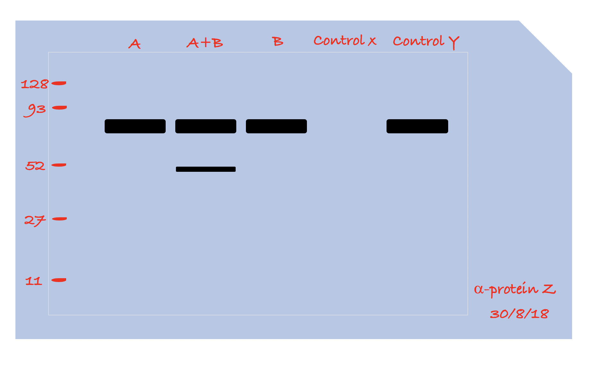
Figure 1a | anti-FOXO

Figure 3e
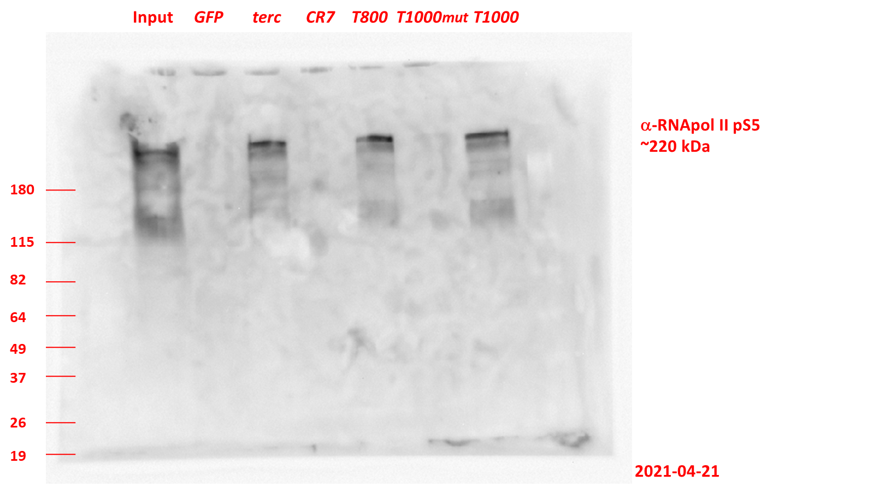
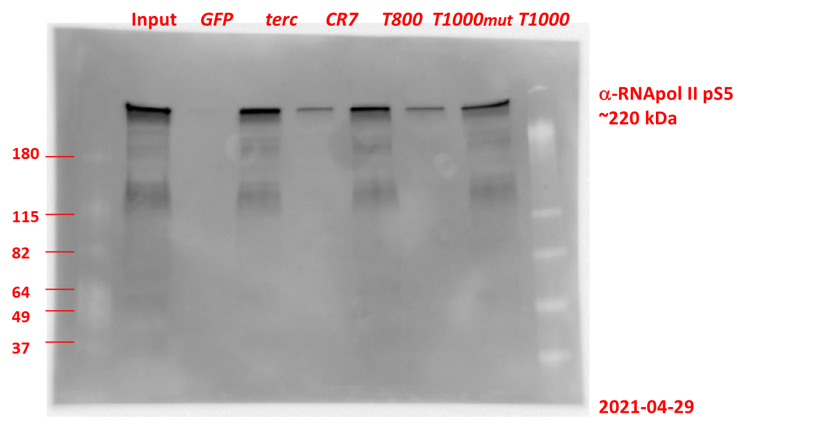
Figure 3e | anti-RNApol II pS5

 | Exp. 1 | Exp. 2

