A. Experimental workflow
A. Experimental Workflow for Investigating the Role of NKG2C in Glioblastoma (GBM) and Response to PD-1 Monoclonal Antibody (mAb) Treatment.

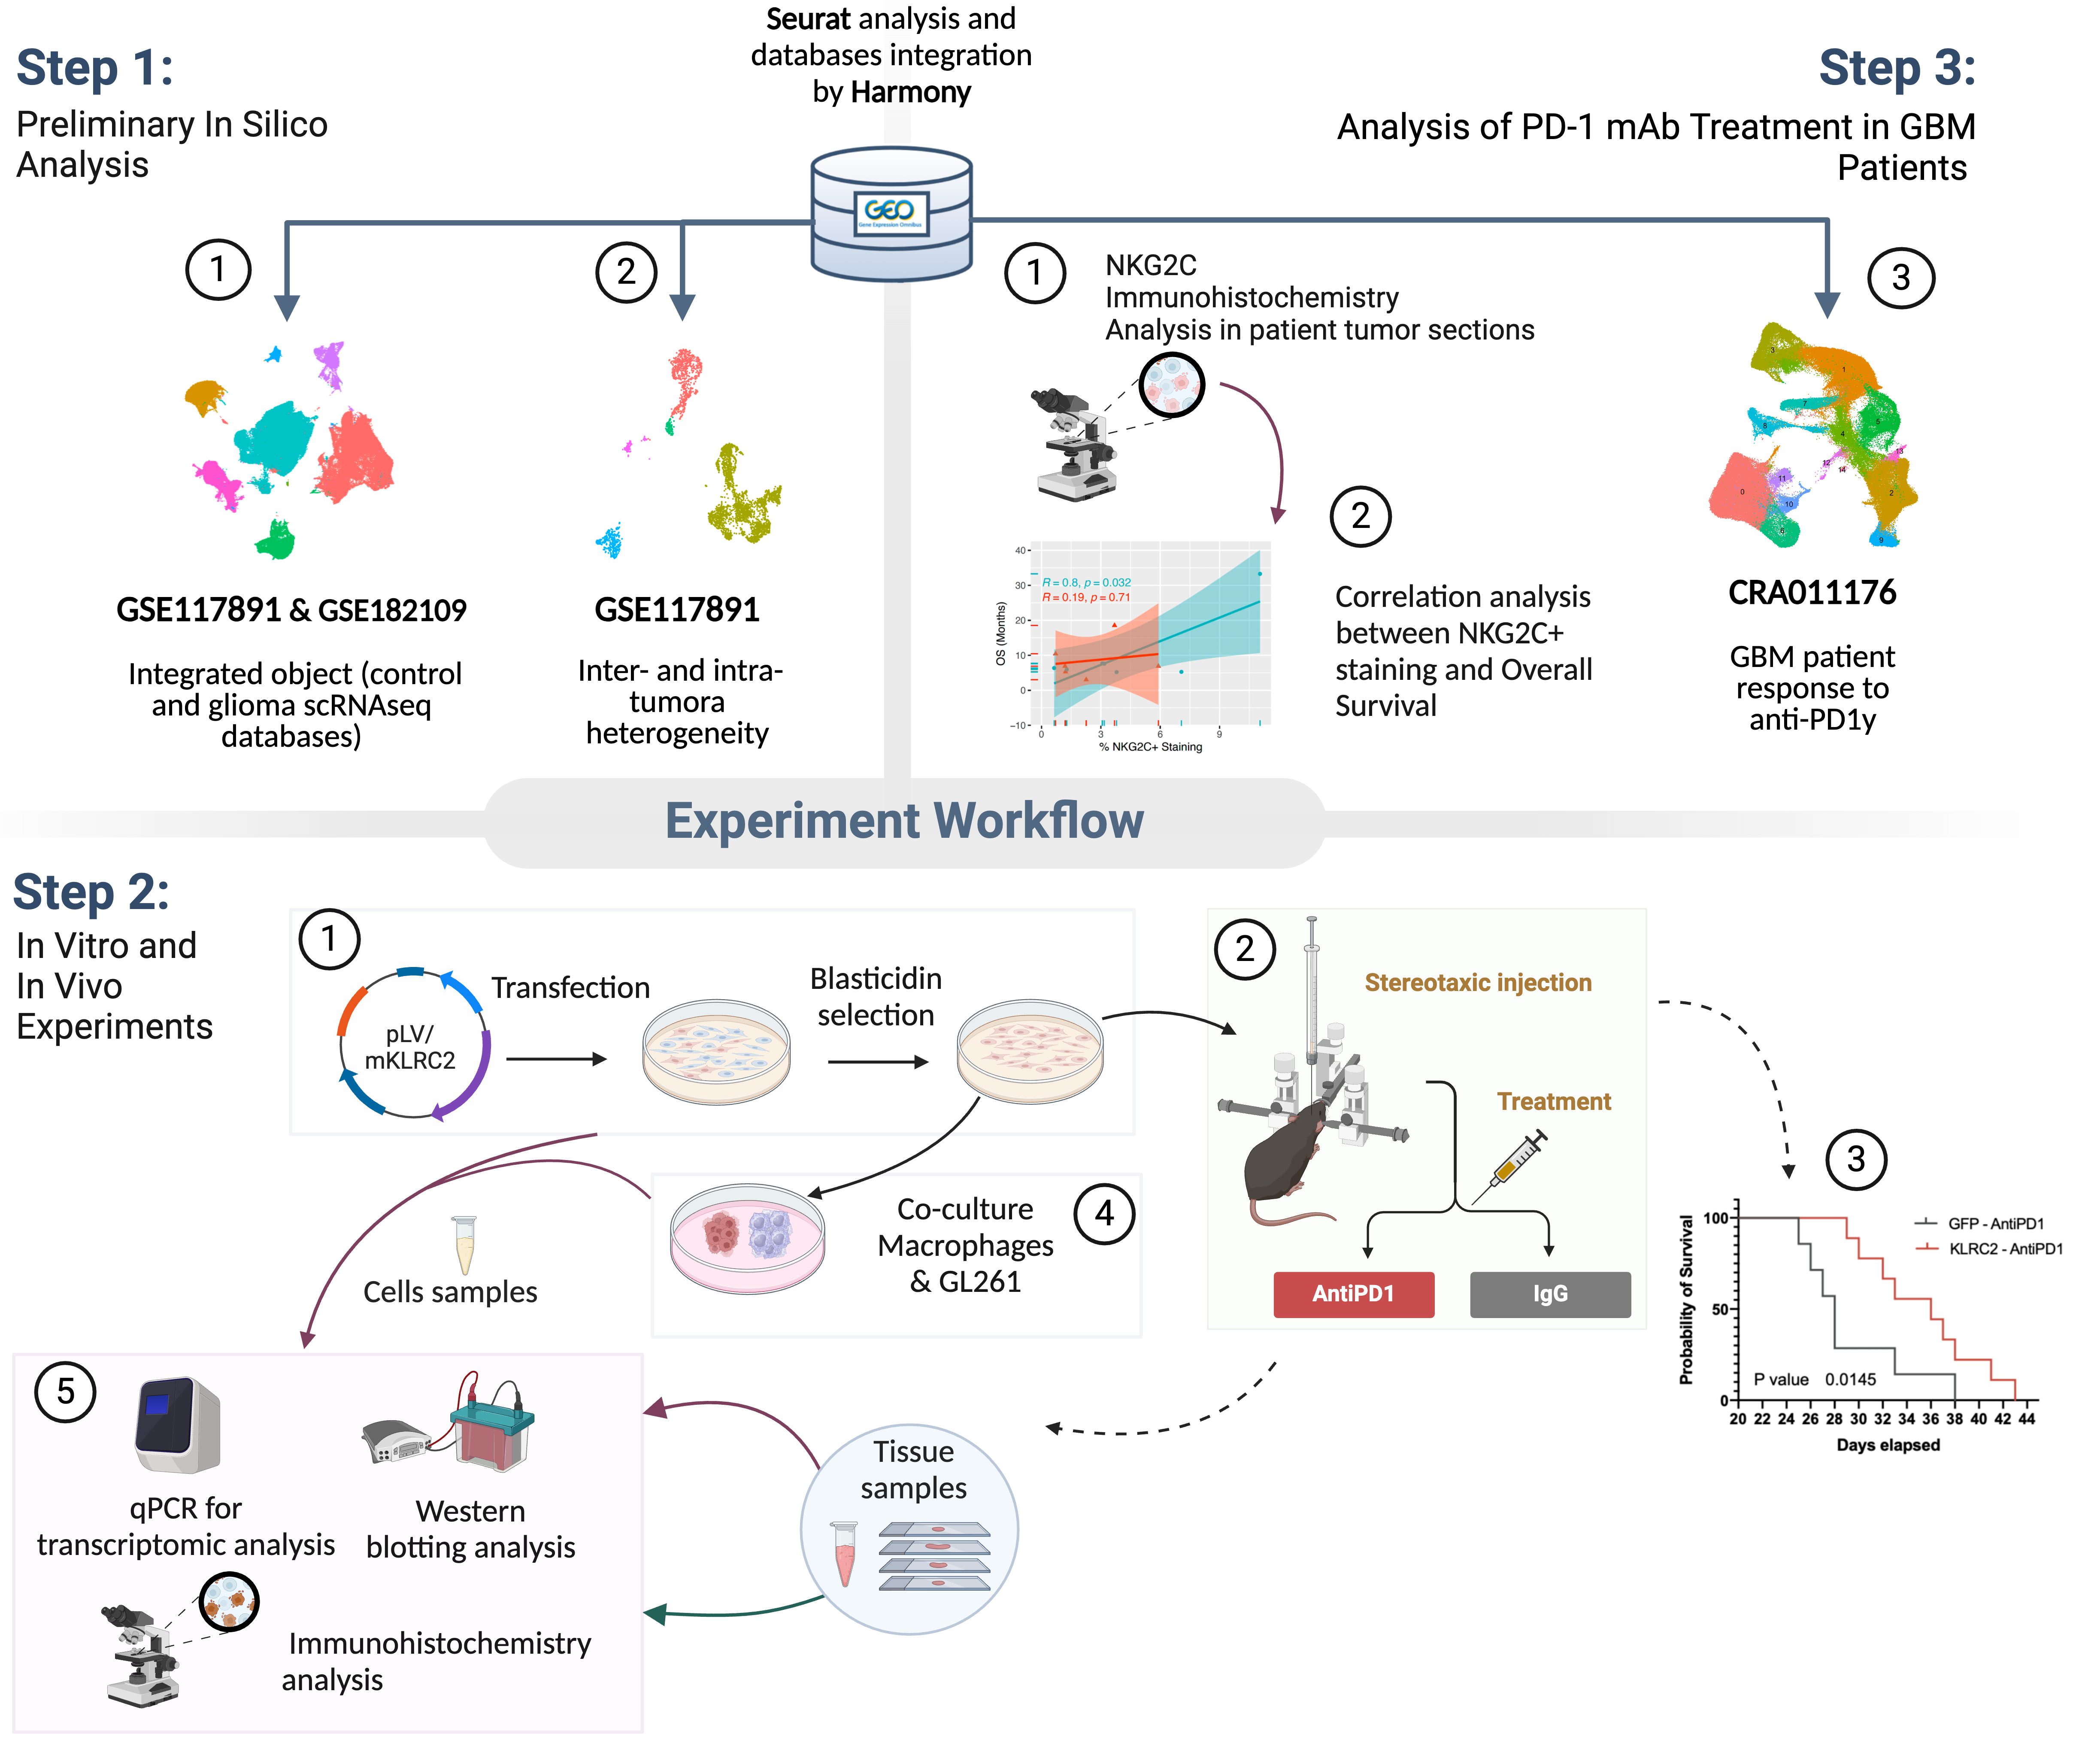

Step 1: Preliminary In Silico Analysis. (1) Integrated Object Analysis: Single-cell RNA sequencing (scRNAseq) data from control and glioma databases (GSE117891 & GSE182109) were integrated to analyze the KLRC2 expression in each specific cell type. (2) Tumor Heterogeneity Assessment: Analysis of inter- and intra-tumoral heterogeneity KLRC2 expression using the GSE117891 dataset. Step 2: In Vitro and In Vivo Experiments. (1) Transfection and Selection: GL261 cells were transfected with a plasmid encoding mKLR2C and subjected to blasticidin selection to establish stable cell lines. (2) Stereotaxic Injection and Treatment: KLRC2 or GFP selected GL261 cells were stereotactically injected into mice, which were then treated with either anti-PD1 or IgG control. (3) Survival Analysis: Kaplan-Meier survival analysis was conducted to compare the survival probability of mice with GFP-GL261 versus KLRC2-GL261 cells, control or treated with anti-PD1. (4) Co-culture Experiments: Co-culture of macrophages with KLRC2 or GFP selected GL261 cells was performed to assess interactions. (5) Molecular and Cellular Analysis: Samples from cells and tissues were collected for various analyses, including qPCR for transcriptomic analysis, Western blotting for protein expression, and immunohistochemistry for tissue staining. Step 3: Analysis of PD-1 mAb Treatment in IDHwt GBM Patients. (1) Immunohistochemistry Analysis: NKG2C immunohistochemistry was performed on tumor sections from patients treated with PD-1 mAb. (2) Correlation Analysis: Correlation between NKG2C+ staining and overall survival was analyzed, revealing a significant association. (3) Patient Response Analysis: scRNAseq data from GBM patients (CRA011176) treated with anti-PD1 therapy were analyzed to assess the response to treatment.

E. Co-culture
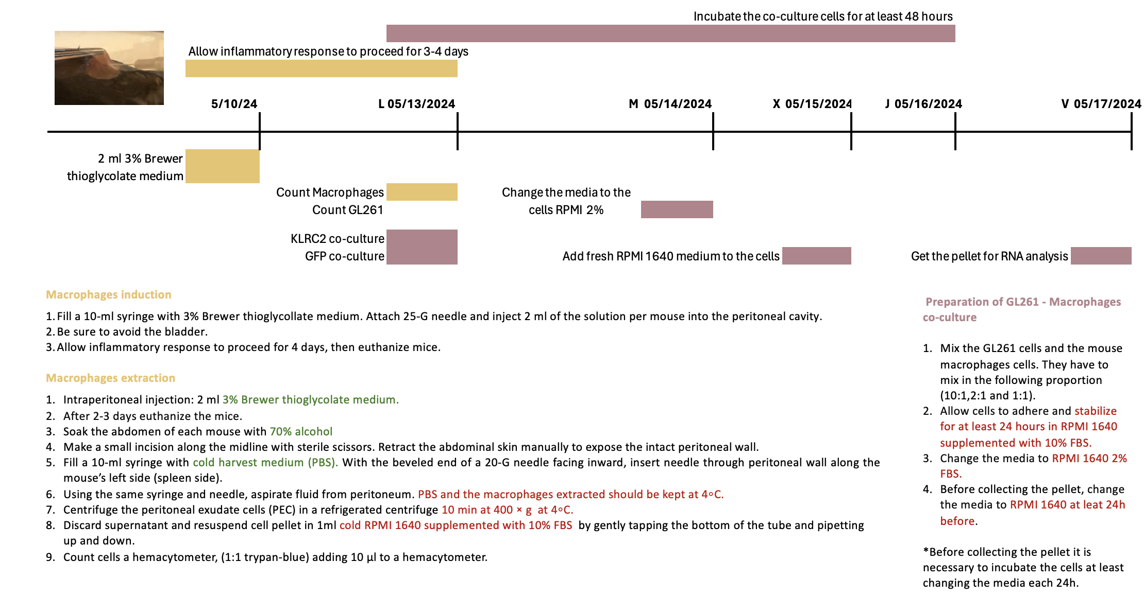
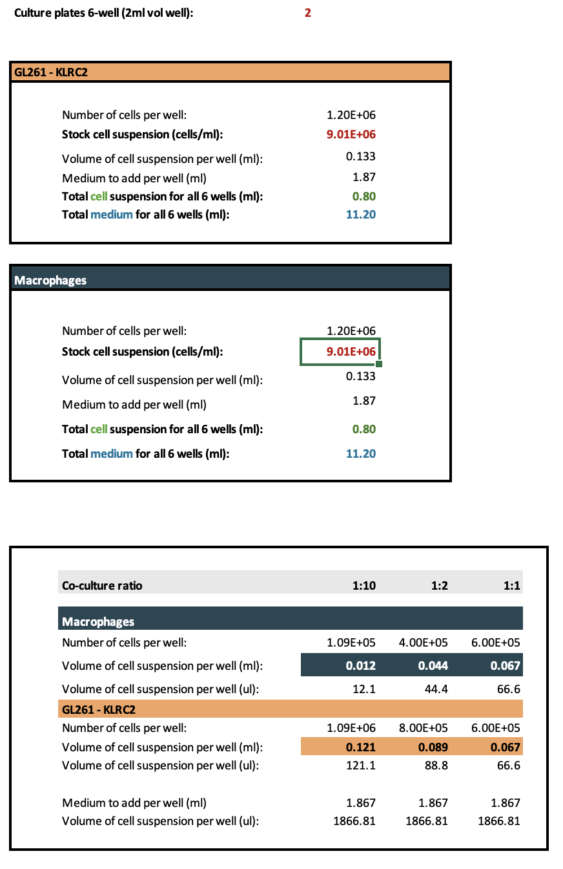
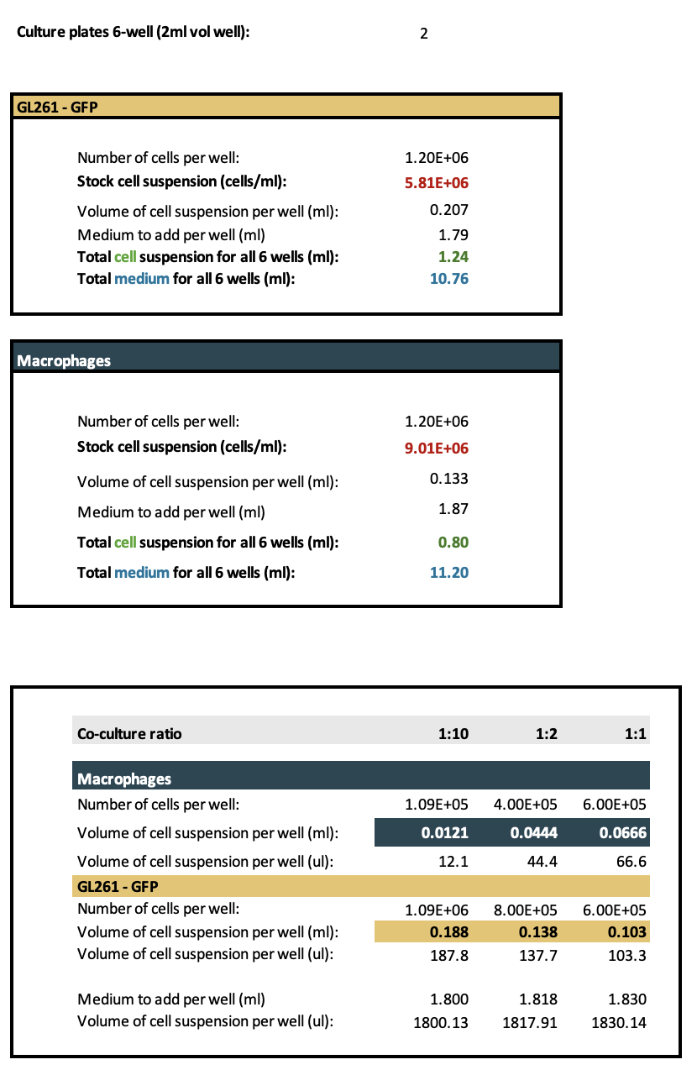
E. Workflow co-culture experiments GL261 and macrophages.

