C. scRNAseq Repositories
C. scRNAseq Repositories

scRNAseq Repositories | IDENTIFIER | CHARACTERISTICS | SAMPLES SELECTED
Integrated object (control and glioma scRNAseq databases) | GSE163577 | Human cerebrovascular cells in health | 4 samples
 | GSE182109 | Tumor core samples from LGG and GBMs (both newly diagnosed and recurrent) patients | 2 LGG , 3 newly GBM diagnosed and 3 recurrent GBM
Inter- and intra-tumoral heterogeneity | GSE117891 | Tumor core and edema samples from 13 glioma and 1 brain metastasis patient | 8 GBM samples with both tumor core and edema samples
Response to anti-PD1 | CRA011176 https://doi.org/10.6084/m9.figshare.22434341 | Tumor core samples from GBM tumor core samples among responders and non-responders to anti-PD1 treatment | 5 non-responders and 7 responders to anti-PD1 treatment

Detailed sample selections and counts in the integrated database object (control and glioma scRNAseq databases)

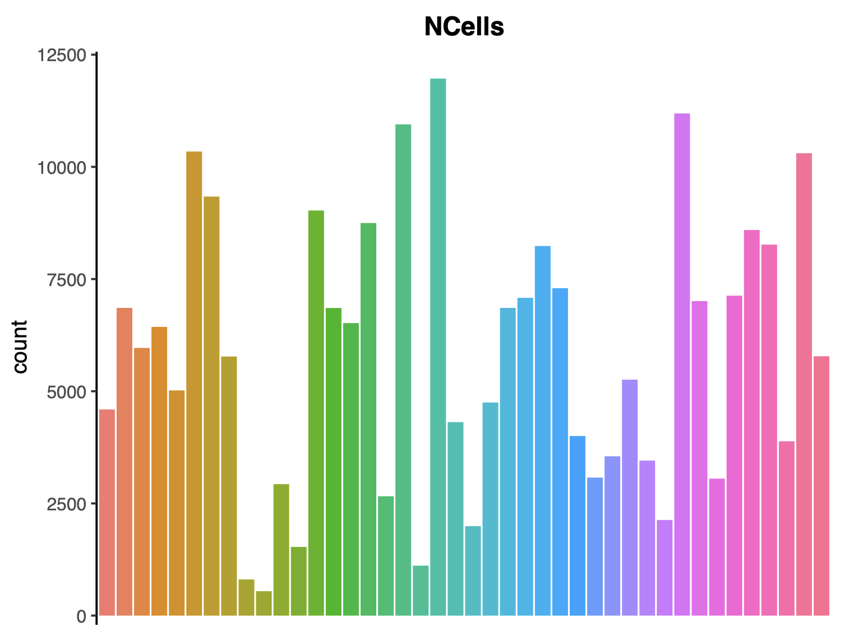
 | Ctrl_GSE163577 | GBM_LGG_GSE182109 | GBM_NewlyDiagn_GSE182109 | GBM_Recurrent_GSE182109
Ctrl_1 | 12976 | 0 | 0 | 0
Ctrl_2 | 11233 | 0 | 0 | 0
Ctrl_3 | 15069 | 0 | 0 | 0
Ctrl_4 | 14772 | 0 | 0 | 0
GSM5518596_rGBM_01A | 0 | 0 | 0 | 4395
GSM5518597_rGBM_01B | 0 | 0 | 0 | 11168
GSM5518597_rGBM_01C | 0 | 0 | 0 | 5761
GSM5518597_rGBM_01D | 0 | 0 | 0 | 6163
GSM5518600_ndGBM_01A | 0 | 0 | 4763 | 0
GSM5518601_ndGBM_01_C | 0 | 0 | 9794 | 0
GSM5518602_ndGBM_01_D | 0 | 0 | 8991 | 0
GSM5518603_ndGBM_01_F | 0 | 0 | 5174 | 0
GSM5518608_ndGBM_2_1 | 0 | 0 | 8088 | 0
GSM5518609_ndGBM_2_2 | 0 | 0 | 6051 | 0
GSM5518610_ndGBM_2_4 | 0 | 0 | 5996 | 0
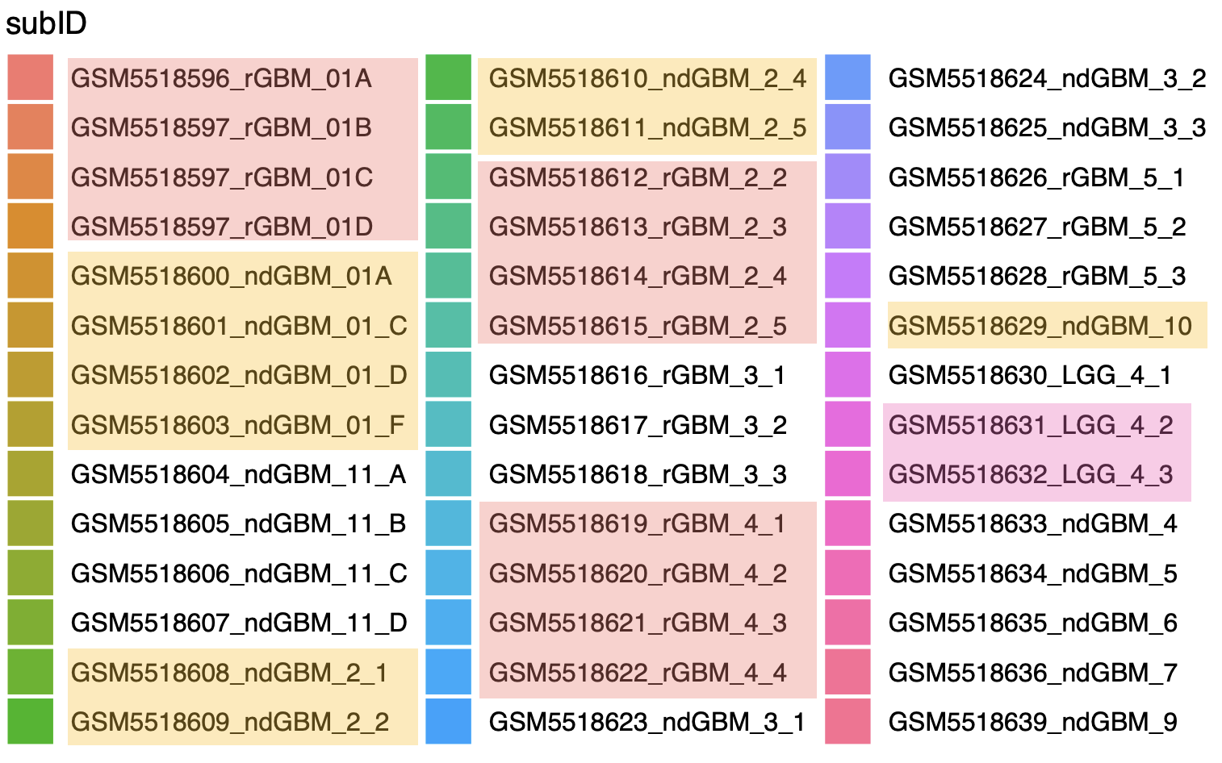
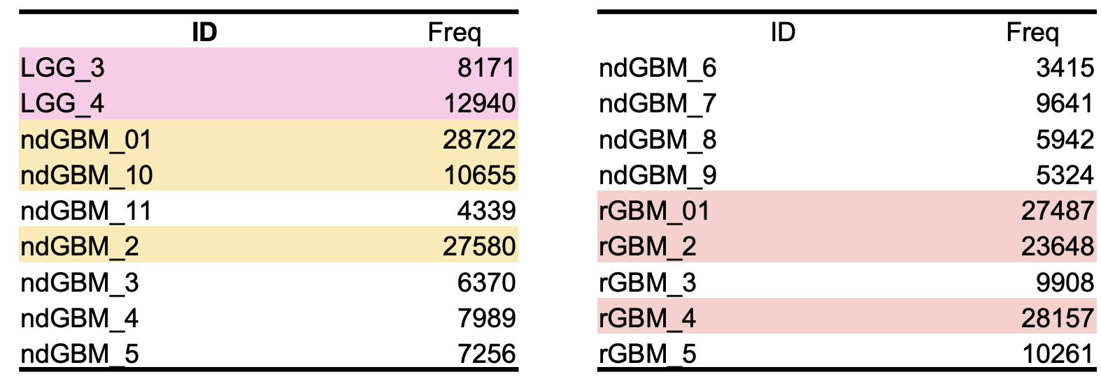
GSM5518611_ndGBM_2_5 | 0 | 0 | 7445 | 0
GSM5518612_rGBM_2_2 | 0 | 0 | 0 | 2277
GSM5518613_rGBM_2_3 | 0 | 0 | 0 | 9815
GSM5518614_rGBM_2_4 | 0 | 0 | 0 | 843
GSM5518615_rGBM_2_5 | 0 | 0 | 0 | 10713
GSM5518619_rGBM_4_1 | 0 | 0 | 0 | 6660
GSM5518620_rGBM_4_2 | 0 | 0 | 0 | 6623
GSM5518621_rGBM_4_3 | 0 | 0 | 0 | 7993
GSM5518622_rGBM_4_4 | 0 | 0 | 0 | 6881
GSM5518629_ndGBM_10 | 0 | 0 | 10655 | 0
GSM5518630_LGG_4_1 | 0 | 5406 | 0 | 0
GSM5518631_LGG_4_2 | 0 | 2363 | 0 | 0
GSM5518632_LGG_4_3 | 0 | 5171 | 0 | 0
GSM5518638_LGG_3 | 0 | 8171 | 0 | 0

Detailed sample selections and counts in the single-cell RNA sequencing repository pertaining to inter- and intra-tumoral heterogeneity.

 | Peritumoral | Tumoral
S1 | 90 | 227
S11 | 216 | 714
S12 | 143 | 466
S13 | 112 | 833
S2 | 62 | 193
S3 | 54 | 200
S5 | 35 | 288
S6 | 105 | 237

Detailed sample selections and counts in the single-cell RNA sequencing repository associated with the response to anti-PD-1 therapy.

 | Nonresponder | Responder
Pt11 | 3516 | 0
Pt15 | 0 | 8518
Pt16 | 0 | 1773
Pt17 | 8109 | 0
Pt18 | 0 | 9414
Pt19 | 0 | 8204
Pt2 | 603 | 0
Pt20 | 0 | 5762
Pt21 | 0 | 11171
Pt22 | 13609 | 0
Pt23 | 0 | 11197
Pt24 | 22815 | 0

