Plasmid comparison
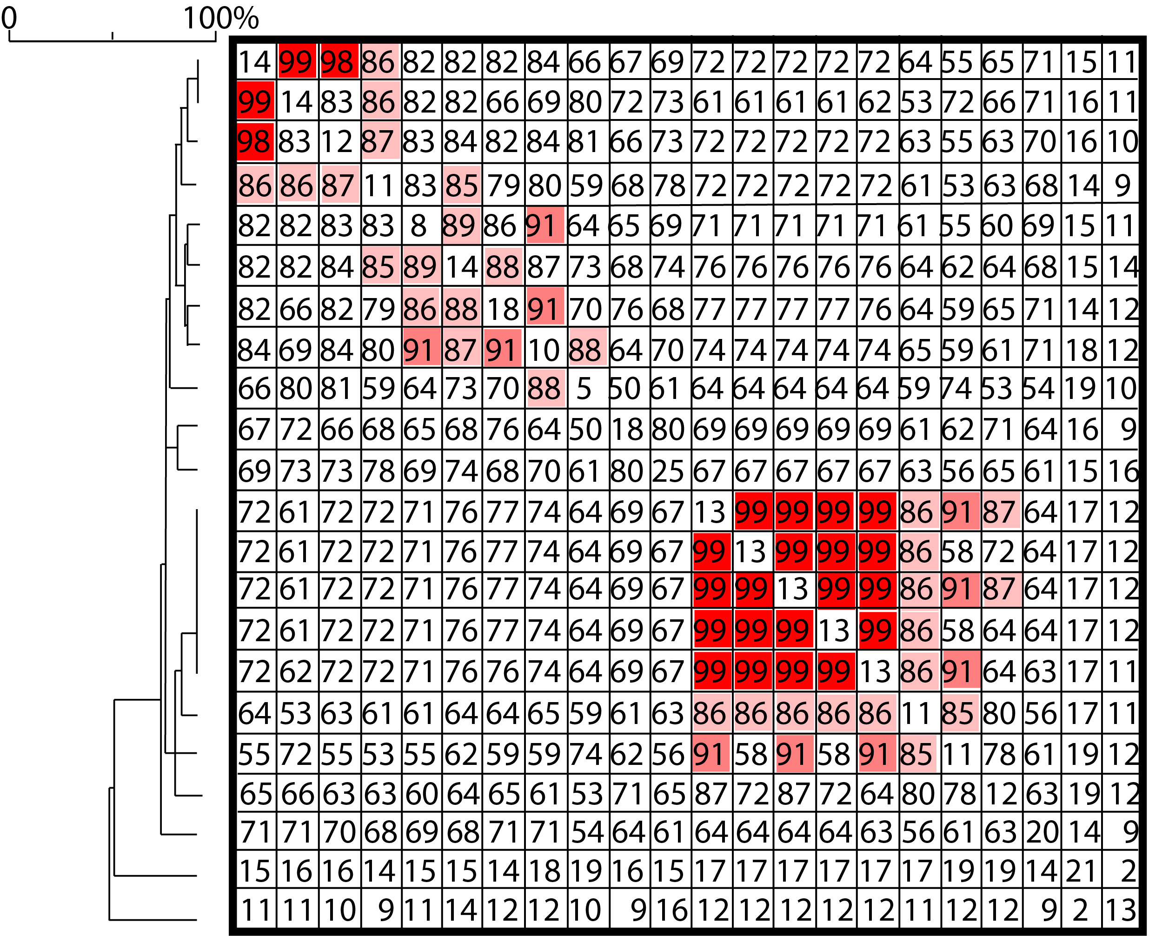
Name | %GC | Size (bp) | Plasmid
CP059413.1 | 47.76 | 302551 | p48212_MCR
NZ_CP059425.1 | 47.76 | 302836 | p49790_MCR
NZ_JACEHD010000005.1 | 47.61 | 297470 | p48946_MCR
NZ_CP042552.1 | 47.14 | 288659 | C45pC45_001
CP041734.1 | 46.27 | 276520 | pME-1a
CP052871.1 | 47.16 | 293138 | p3846_IncHI2_mcr
NZ_KP975077.1 | 47.37 | 311662 | pMRVIM0813
NZ_LT991958.1 | 47.39 | 299117 | pC45-VIM4
NZ_CP064657.1 | 46.07 | 267745 | p3804_mcr
CP049193.1 | 47.97 | 303394 | pIHI2-2152
MN937241.1 | 47.56 | 278517 | pBSI034-MCR9
RIVM_C012369 | 47.45 | 316078 | pRIVM_C012369
RIVM_C034177 | 47.45 | 316077 | pRIVM_C034177
RIVM_C017834 | 47.45 | 316079 | pRIVM_C017834
RIVM_C033144 | 47.45 | 316077 | pRIVM_C033144
RIVM_C019072 | 47.46 | 315229 | pRIVM_C019072
RIVM_C034192 | 48.88 | 337179 | pRIVM_C034192
RIVM_C019181 | 47.45 | 316079 | pRIVM_C019181
RIVM_C017238 | 47.45 | 316079 | pRIVM_C017238
NZ_CP059429.1 | 48.76 | 369945 | p51929_MCR_VIM
NZ_CP059418.1 | 53.43 | 267489 | p48880_VIM_4
RIVM_C010068 | 51.22 | 186213 | pRIVM_C010068

