B. Freq KLRC2 positive
B. KLRC2-positive cells across different cell types at the tumor center compared to the periphery in glioblastoma samples. The cell types analyzed include neoplastic cells, macrophages, oligodendrocytes, T cells, and neutrophils. Data are presented as percentages of KLRC2-positive cells within each cell type, comparing tumor center (gray bars) to tumor periphery (red bars). p-values using the chi-squared test to assess the significance of the difference in the proportion of KLRC2-positive cells between the tumor center and the periphery for each cell type.

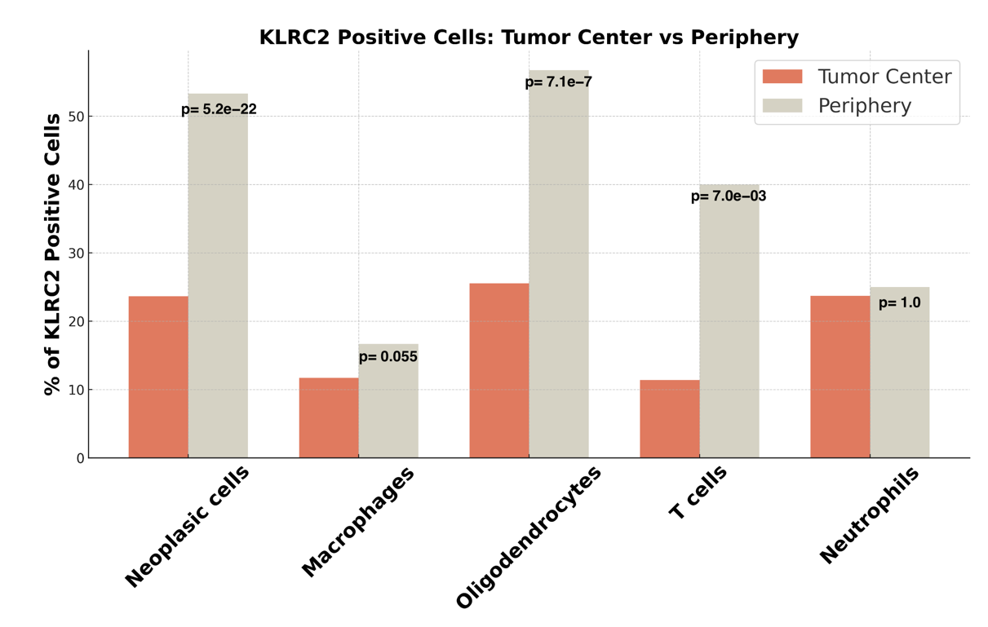

Tumor Core |  |  |  |  |  | Periphery
KLRC2 positive | Freq | Total | Freq | Freq cell KLRC2 positive | % cell KLRC2 positive | KLRC2 positive | Freq | Total | Freq | Freq cell KLRC2 positive | % cell KLRC2 positive
C0-Neoplasic cells | 579 | Neoplasic cells | 2448 | 0.24 | 23.65 | Neoplasic cells | 121 | Neoplasic cells | 227 | 0.53 | 53.30
C1-Macrophages | 52 | Macrophages | 444 | 0.12 | 11.71 | Macrophages | 60 | Macrophages | 360 | 0.17 | 16.67
C2-Oligodendrocytes | 23 | Oligodendrocytes | 90 | 0.26 | 25.56 | Oligodendrocytes | 143 | Oligodendrocytes | 252 | 0.57 | 56.75
C5-Tcells | 9 | Tcells | 79 | 0.11 | 11.39 | Tcells | 8 | Tcells | 20 | 0.40 | 40.00
C6-Neutrophils | 23 | Neutrophils | 97 | 0.24 | 23.71 | Neutrophils | 3 | Neutrophils | 12 | 0.25 | 25.00

KLRC2 negative | Freq | Total | Freq | Freq cell KLRC2 negative | % cell KLRC2 negative | KLRC2 positive | Freq | Total | Freq | Freq cell KLRC2 positive | % cell KLRC2 negative
Neoplasic cells | 1869 | Neoplasic cells | 2448 | 0.76 | 76.35 | Neoplasic cells | 106 | Neoplasic cells | 227 | 0.47 | 46.70
Macrophages | 392 | Macrophages | 444 | 0.88 | 88.29 | Macrophages | 300 | Macrophages | 360 | 0.83 | 83.33
Oligodendrocytes | 67 | Oligodendrocytes | 90 | 0.74 | 74.44 | Oligodendrocytes | 109 | Oligodendrocytes | 252 | 0.43 | 43.25
Tcells | 70 | Tcells | 79 | 0.89 | 88.61 | Tcells | 12 | Tcells | 20 | 0.60 | 60.00
Neutrophils | 74 | Neutrophils | 97 | 0.76 | 76.29 | Neutrophils | 9 | Neutrophils | 12 | 0.75 | 75.00

Tumor Core |  |  |  |  |  | Periphery
ID | Neoplasic cells | Macrophages | Oligodendrocytes | Tcells | Neutrophils | ID | Neoplasic cells | Macrophages | Oligodendrocytes | Tcells | Neutrophils
KLRC2 positive | 23.65 | 11.71 | 25.56 | 11.39 | 23.71 | KLRC2 positive | 53.30 | 16.67 | 56.75 | 40.00 | 25.00
KLRC2 negative | 76.35 | 88.29 | 74.44 | 88.61 | 76.29 | KLRC2 negative | 46.70 | 83.33 | 43.25 | 60.00 | 75.00

