miR-125b target network
Supplementary Data 5. miR-125b and miR-100 target networks
List of miR-125b targets and type of interaction

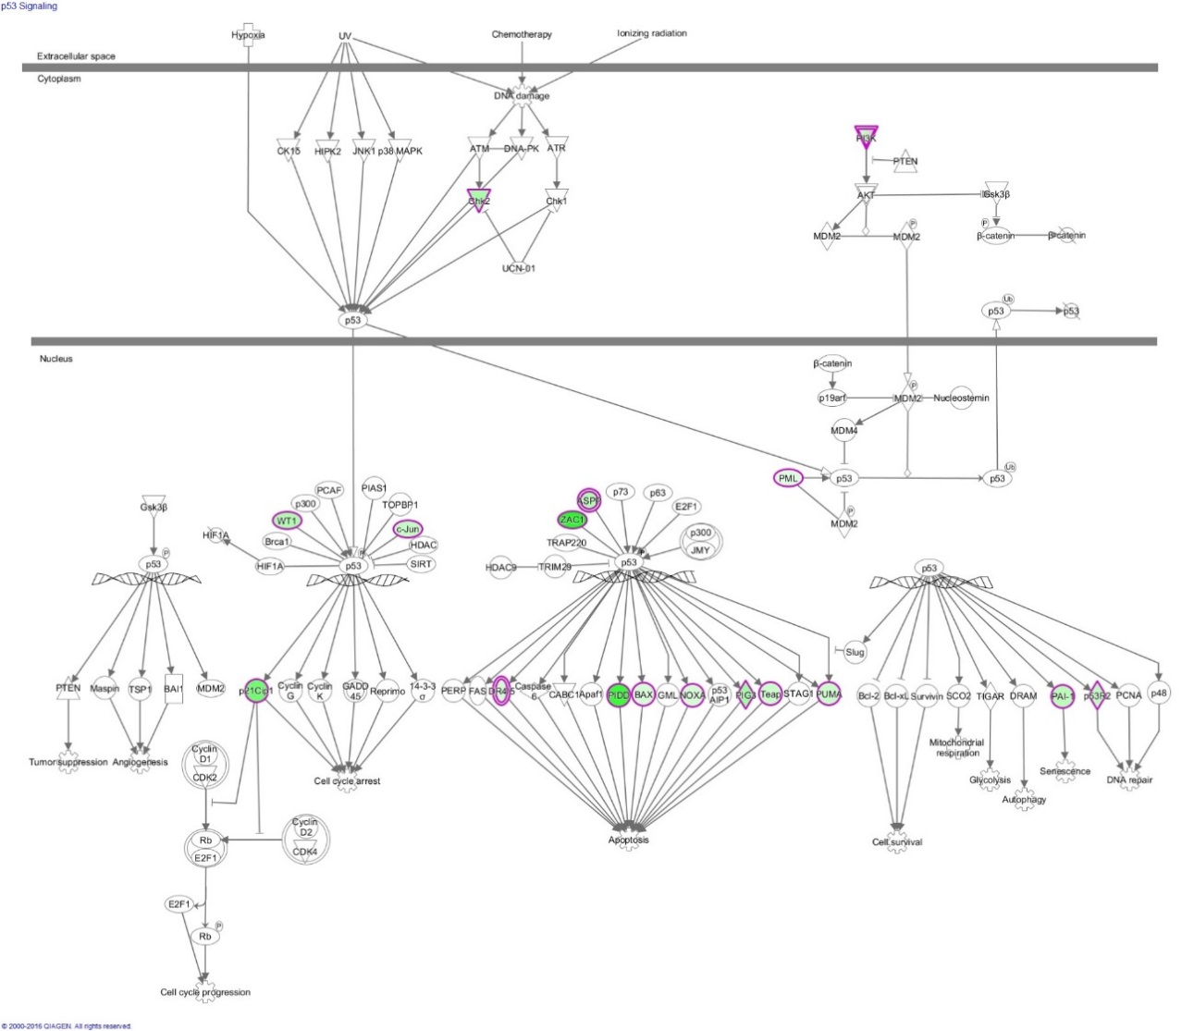
p53 Signalling
miR-125b target | Interaction | p53 Signalling IPA pathway: miR-125b targets are highlighted
BAX | "seed"
CDKN1A | "seed"
CHEK2 | "seed"
FGFR1 | "seed"
IRS2 | "seed"
JUN | "seed"
PLAGL1 | "seed"
RRM2B | "seed"
TNFRSF10B | "seed"
TP53INP1 | "seed"
WT1 | "seed"
BBC3 | In overlap
LRDD | In overlap
PMAIP1 | In overlap
PML | In overlap
SERPINE2 | In overlap
TP53BP2 | In overlap
TP53I3 | In overlap

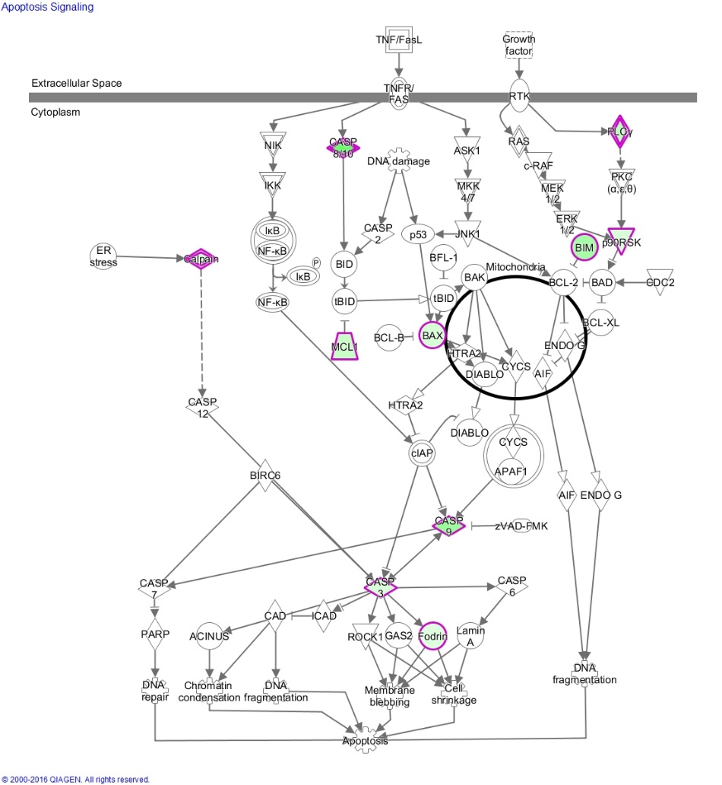
Apoptosis Signalling
miR-125b target | Interaction | Apoptosis Signalling IPA pathway: miR-125b targets are highlighted
BAX | "seed"
BCL2L11 | "seed"
CAPN1 | "seed"
CASP3 | "seed"
CASP8 | "seed"
MCL1 | "seed"
PLCG1 | "seed"
RPS6KA1 | "seed"
SPTAN1 | In overlap
CASP9 | In overlap

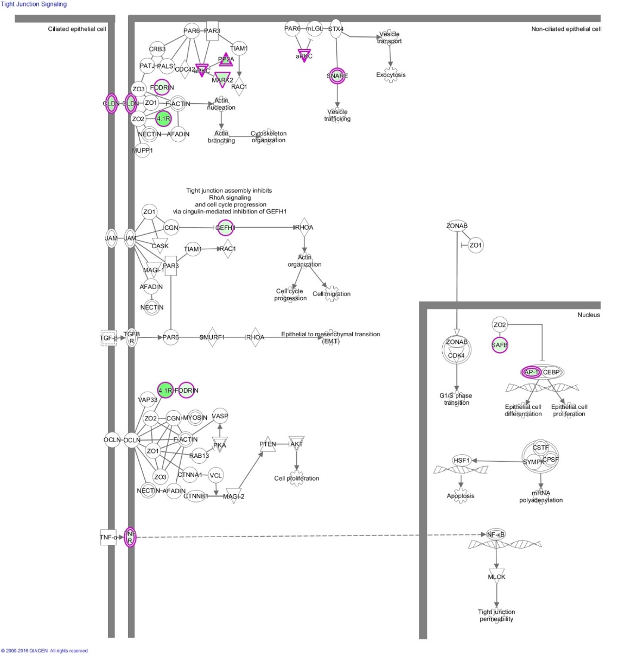
Tight junction Signalling
miR-125b target | Interaction | Tight Junction Signalling IPA pathway: miR-125b targets are highlighted
ARHGEF2 | "seed"
CLDN7 | "seed"
CLDN12 | "seed"
EPB41 | "seed"
JUN | "seed"
MARK2 | "seed"
NAPB | "seed"
PPP2R5C | "seed"
PRKCZ | "seed"
STX16 | "seed"
TNFRSF11B | In overlap
CLDN3 | In overlap
PPP2R4 | In overlap
PPP2R2C | In overlap
SAFB | In overlap
SPTAN1 | In overlap

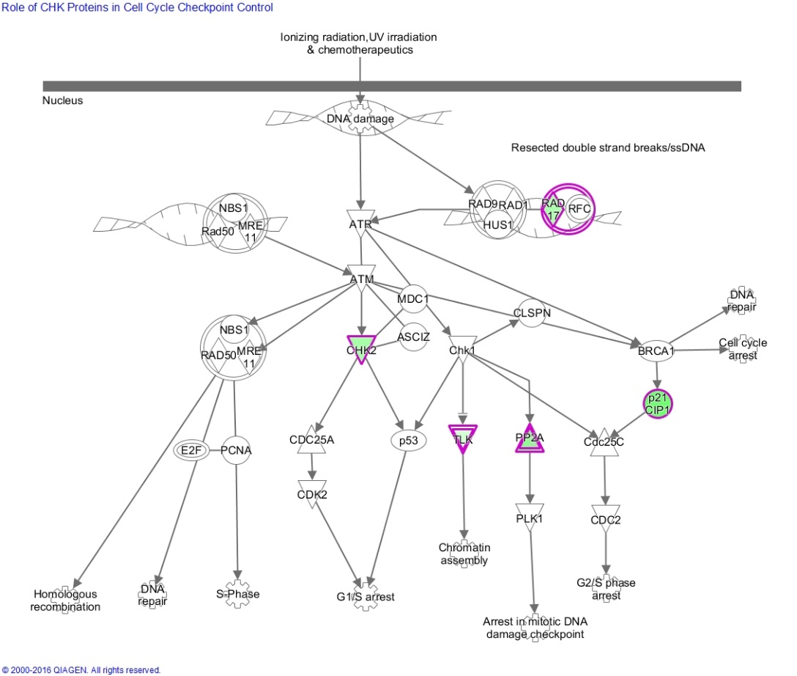
Role of CHK proteins in cell cycle checkpoint control
miR-125b target | Interaction | Role of CHK proteins in cell cycle checkpoint control IPA pathway: miR-125b targets are highlighted
CDKN1A | "seed"
CHEK2 | "seed"
PPP2R5C | "seed"
RAD17 | "seed"
TLK2 | In overlap
PPP2R4 | In overlap
PPP2R2C | In overlap

miR-100 target network
Supplementalry Data 5. miR-125b and miR-100 target networks
List of miR-100 targets and type of interaction

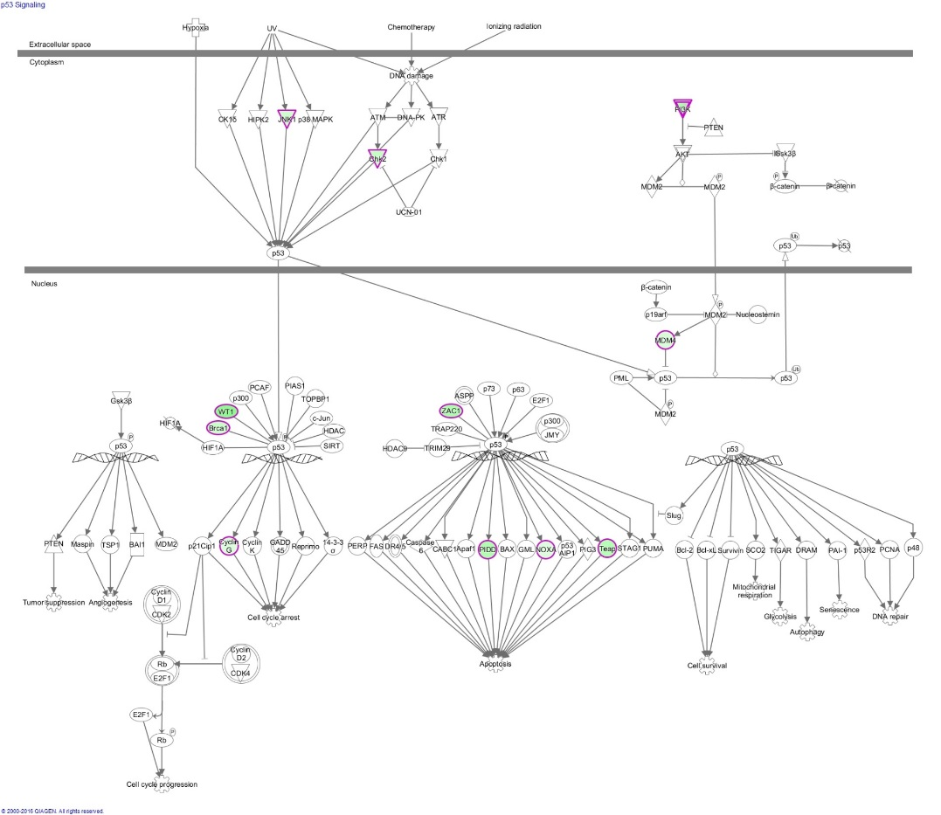
p53 Signalling
miR-100 target | Interaction | p53 Signalling IPA pathway: miR-125b targets are highlighted
BRCA1 | In overlap
CCNG1 | In overlap
CHEK2 | In overlap
FGFR1 | In overlap
FRS2 | In overlap
IRS2 | In overlap
MAPK8 | In overlap
MDM4 | In overlap
LRDD | In overlap
PIK3R3 | In overlap
PLAGL1 | In overlap
PMAIP1 | In overlap
TP53INP1 | In overlap
WT1 | In overlap

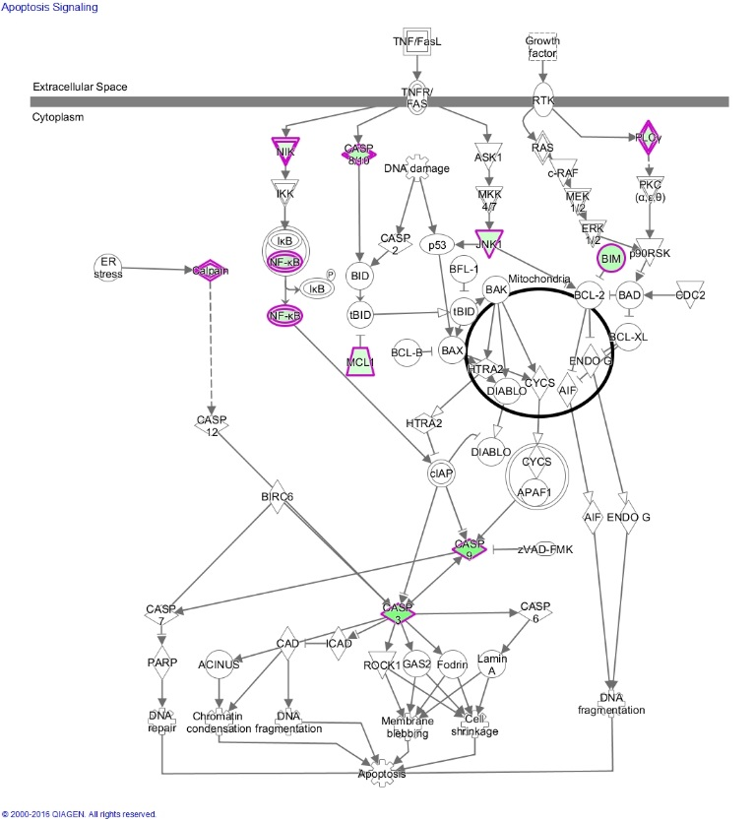
Apoptosis Signalling
miR-100 target | Interaction | Apoptosis Signalling IPA pathway: miR-125b targets are highlighted
BCL2L11 | In overlap
CAPN10 | In overlap
CASP3 | In overlap
CASP8 | In overlap
CASP9 | In overlap
MAP4K4 | In overlap
MAPK8 | In overlap
MCL1 | In overlap
NFKB1 | In overlap
NFKB2 | In overlap
PLCG1 | In overlap

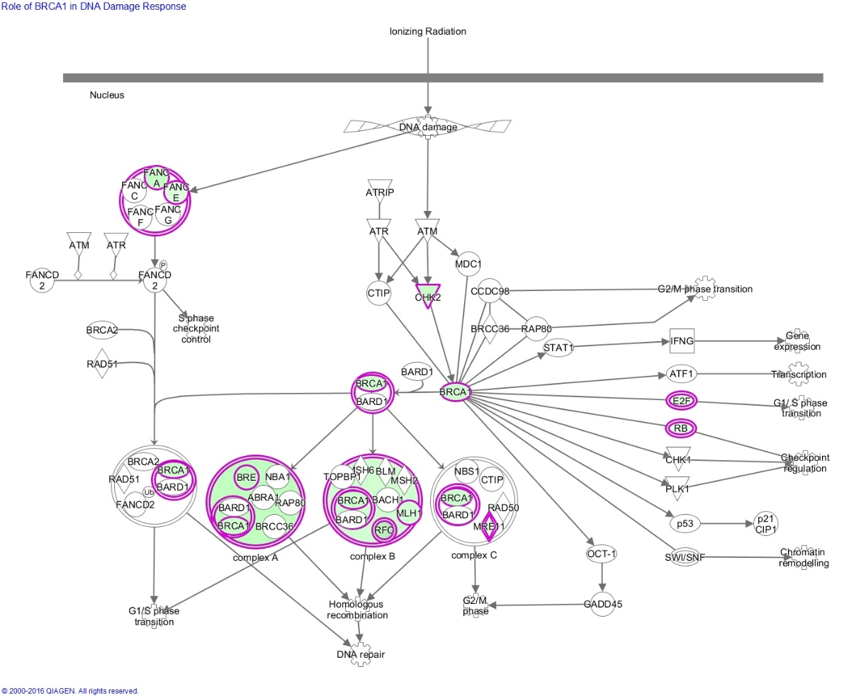
Role of BRACA1 in DNA damage respose
miR-100 target | Interaction | Role of BRACA1 in DNA damage response IPA pathway: miR-125b targets are highlighted
BRCA1 | In overlap
BRE | In overlap
CHEK2 | In overlap
E2F6 | In overlap
FANCA | In overlap
FANCE | In overlap
MLH1 | In overlap
MRE11A | In overlap
RBL1 | In overlap
RFC1 | In overlap
SLC19A1 | In overlap

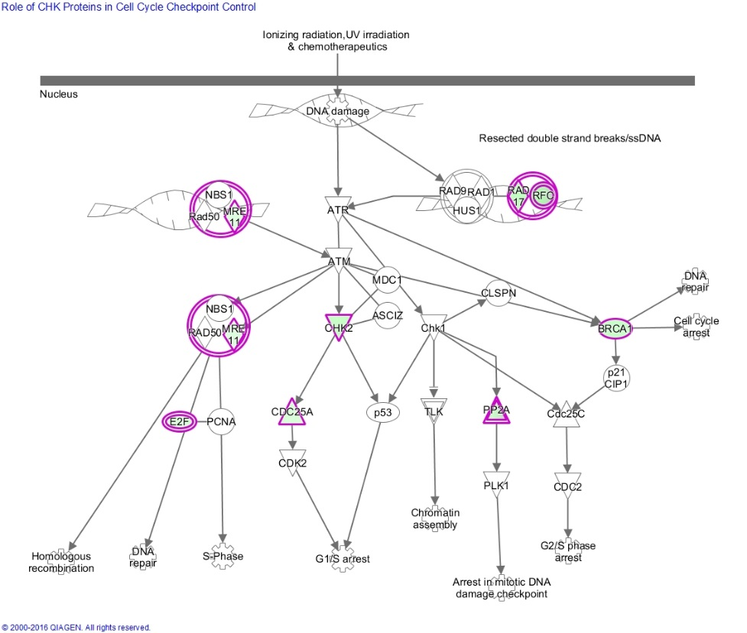
Role of CHK proteins in cell cycle checkpoint control
miR-100 target | Interaction | Role of CHK proteins in cell cycle checkpoint control IPA pathway: miR-125b targets are highlighted
CDC25A | Canonical
BRCA1 | In overlap
CHEK2 | In overlap
E2F6 | In overlap
MRE11A | In overlap
PPP2R4 | In overlap
PPP2R2C | In overlap
PPP2R5C | In overlap
PPP2R5D | In overlap
RAD17 | In overlap
RFC1 | In overlap
SLC19A1 | In overlap

