Figure S1
Figure S1. Associations between log-transformed BP-1 and BP-3 concentrations and BMI z-score and log-transformed cardiometabolic biomarker levels. GAM models.

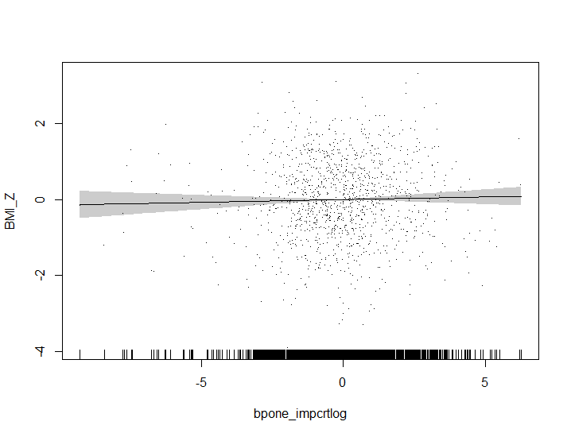
edf: 1.015 p-value: 0.465
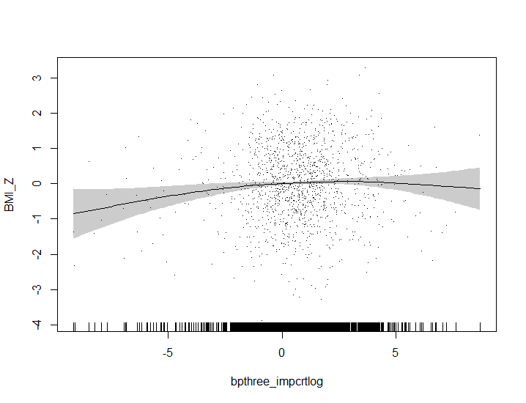
edf: 2.556 p-value: 0.069
BMI z-score (SD) |  | BMI z-score (SD)

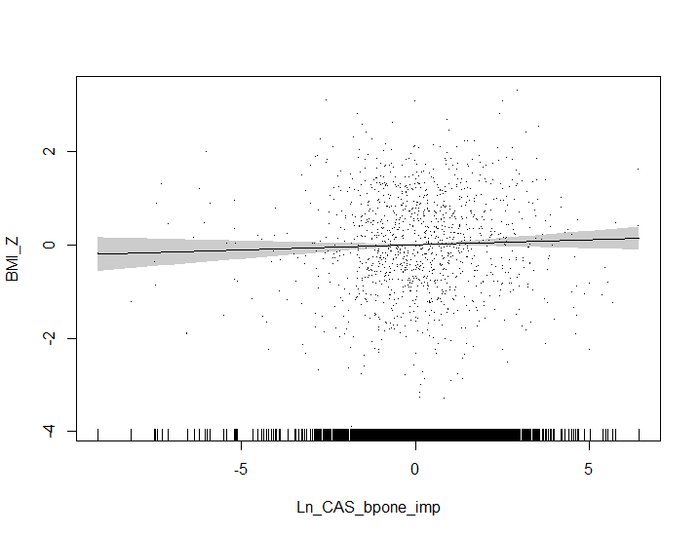
edf: 1.015 p-value: 0.257
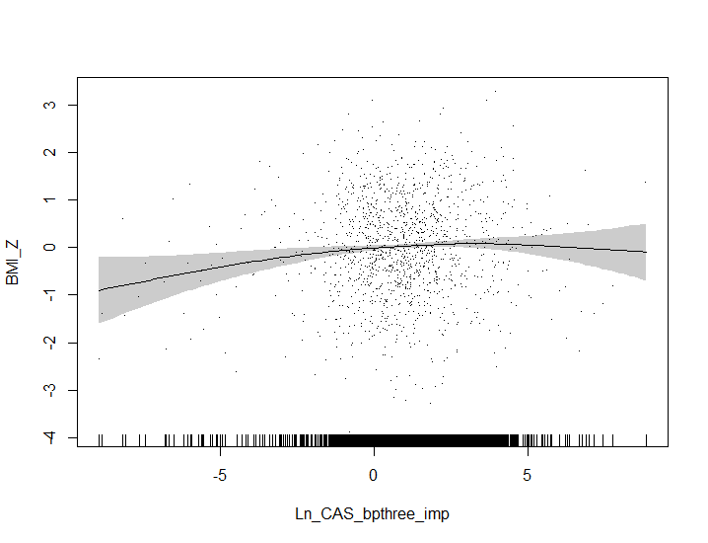
edf: 2.540 p-value: 0.035
 | BP-1 (trad.) (μg/L) |  | BP-3 (trad.) (μg/L)
BMI z-score (SD) |  | BMI z-score (SD)

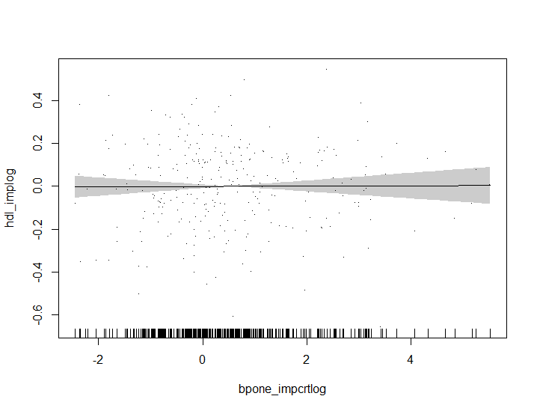
edf: 1.000 p-value: 0.927
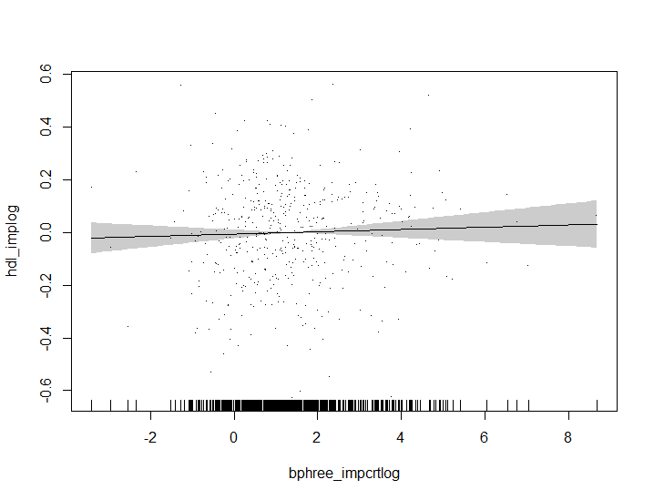
edf: 1.000 p-value: 0.476
 | BP-1 (CAS) (μg/L) |  | BP-3 (CAS) (μg/L)
HDL (mg/dL) |  | HDL (mg/dL)

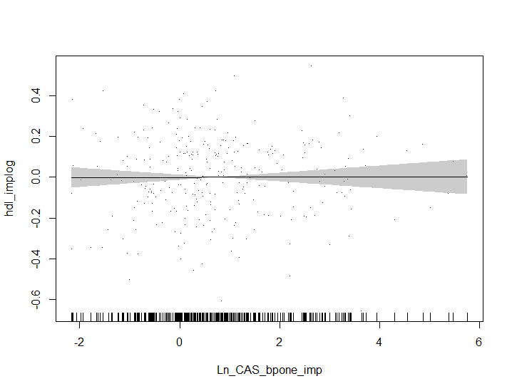
edf: 1.000 p-value: 0.965
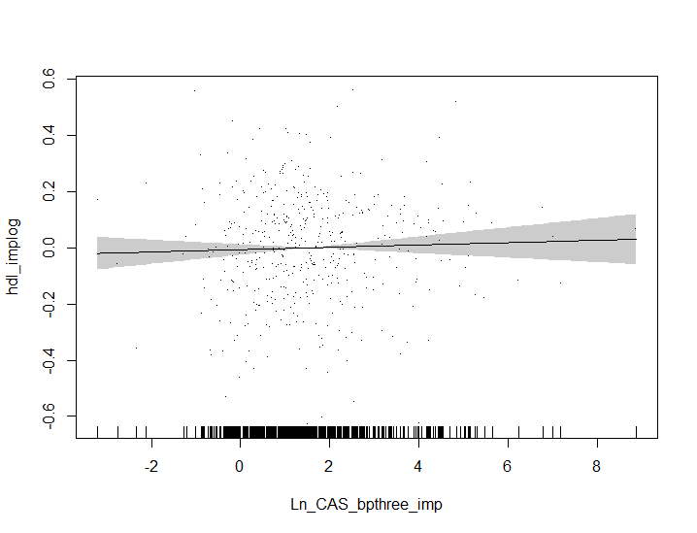
edf: 1.000 p-value: 0.494
 | BP-1 (trad.) (μg/L) |  | BP-3 (trad.) (μg/L)
HDL (mg/dL) |  | HDL (mg/dL)

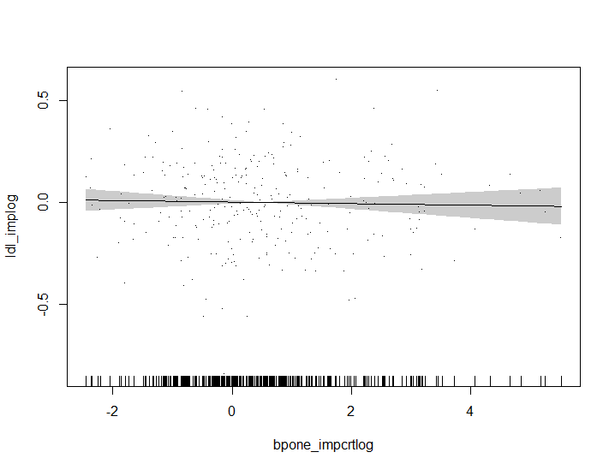
edf: 1.000 p-value: 0.672
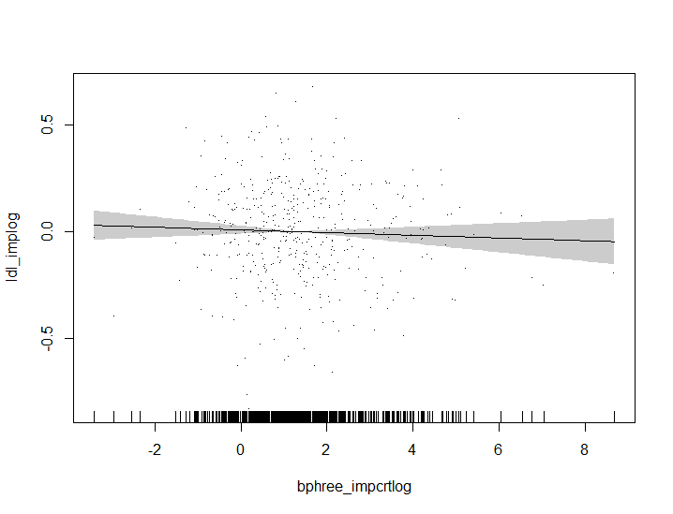
edf: 1.000 p-value: 0.386
 | BP-1 (CAS) (μg/L) |  | BP-3 (CAS) (μg/L)
LDL (mg/dL) |  | LDL (mg/dL)

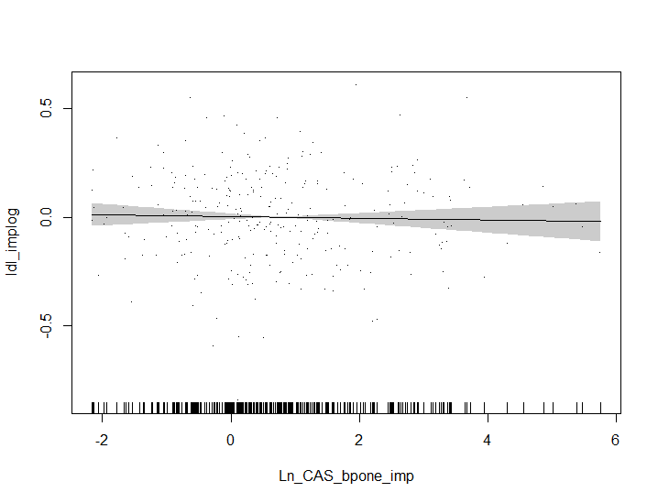
edf: 1.000 p-value: 0.665
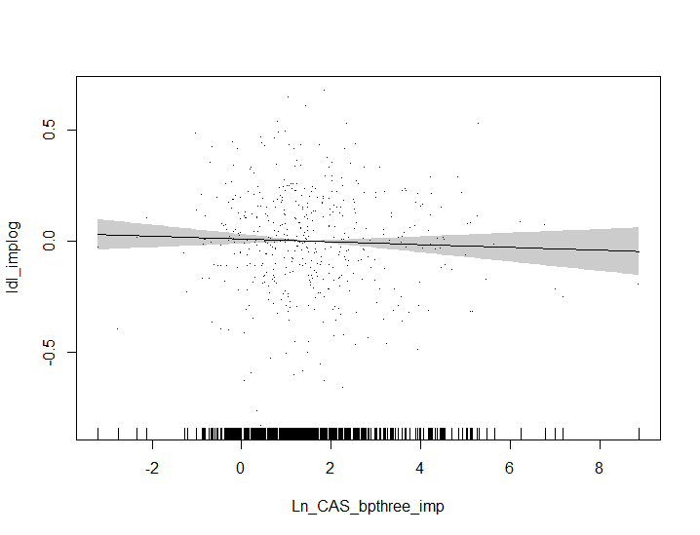
edf: 1.000 p-value: 0.286
 | BP-1 (trad.) (μg/L) |  | BP-3 (trad.) (μg/L)
LDL (mg/dL) |  | LDL (mg/dL)

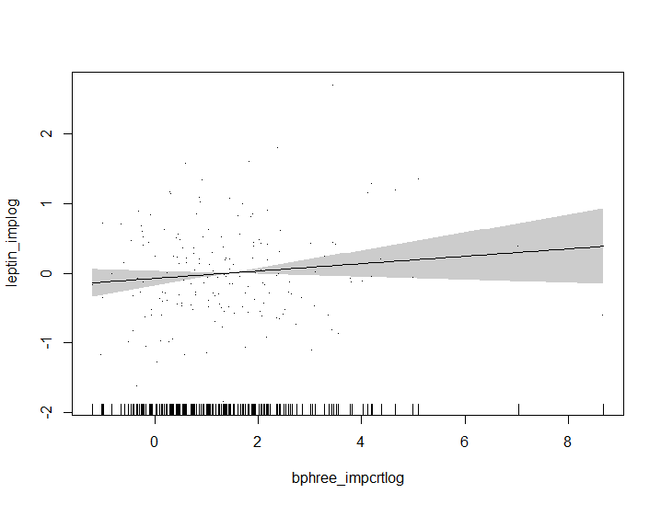
edf: 1.000 p-value: 0.155
 | BP-1 (CAS) (μg/L) |  | BP-3 (CAS) (μg/L)
 |  | Leptin (ng/mL)


edf: 1.000 p-value: 0.156
 |  |  | BP-3 (trad.) (μg/L)
 |  | Leptin (ng/mL)

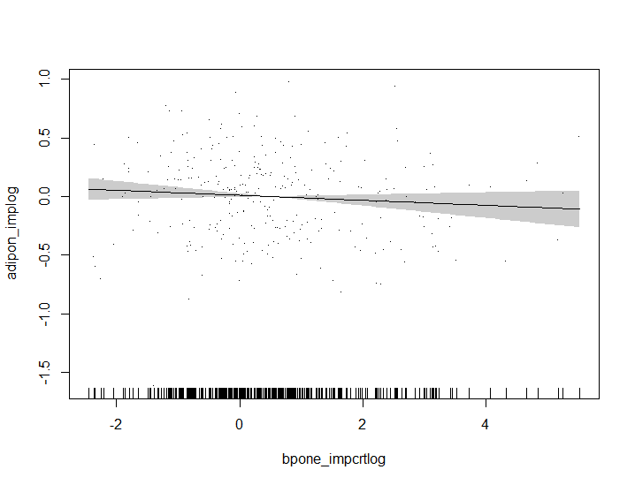
edf: 1.000 p-value: 0.172
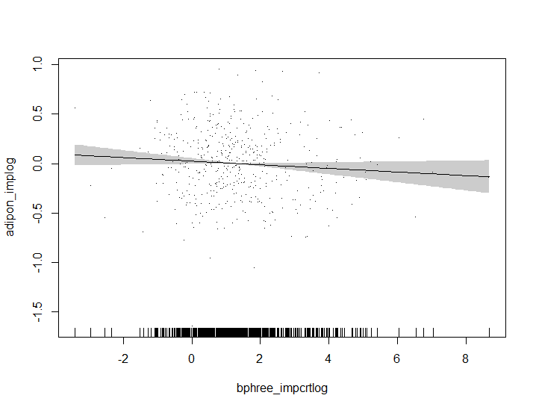
edf: 1.000 p-value: 0.106
 |  |  | BP-3 (CAS) (μg/L)
Adiponectin (μg/mL) |  | Adiponectin (μg/mL)

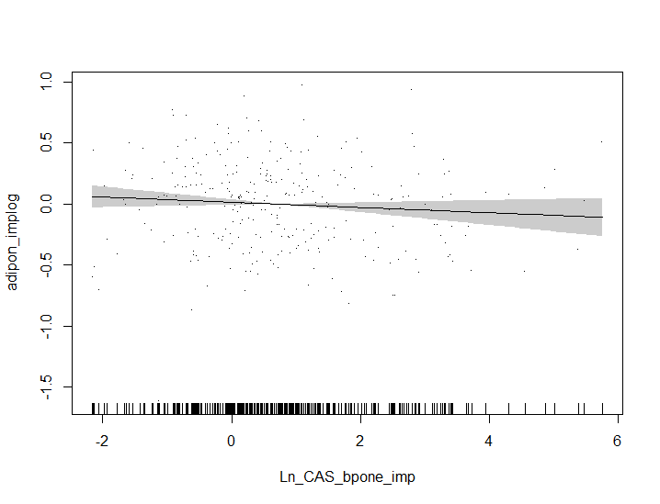
edf: 1.000 p-value: 0.169

edf: 1.000 p-value: 0.105
 | BP-1 (trad.) (μg/L) |  | BP-3 (trad.) (μg/L)
Adiponectin (μg/mL) |  | Adiponectin (μg/mL)

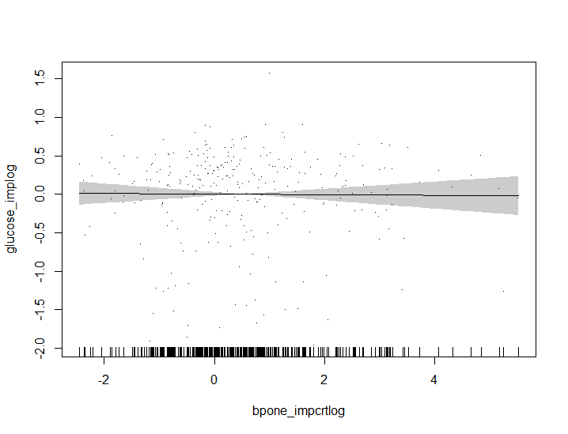
edf: 1.000 p-value: 0.875
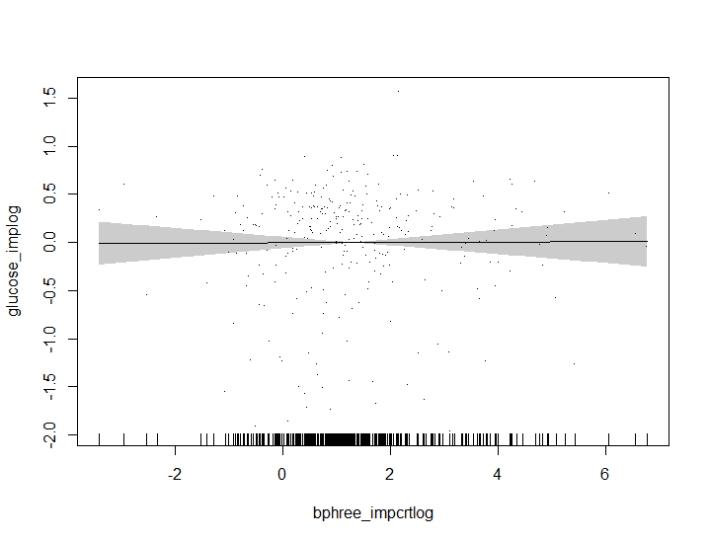
edf: 1.000 p-value: 0.936
 | BP-1 (CAS) (μg/L) |  | BP-3 (CAS) (μg/L)
Glucose (mg/dL) |  | Glucose (mg/dL)

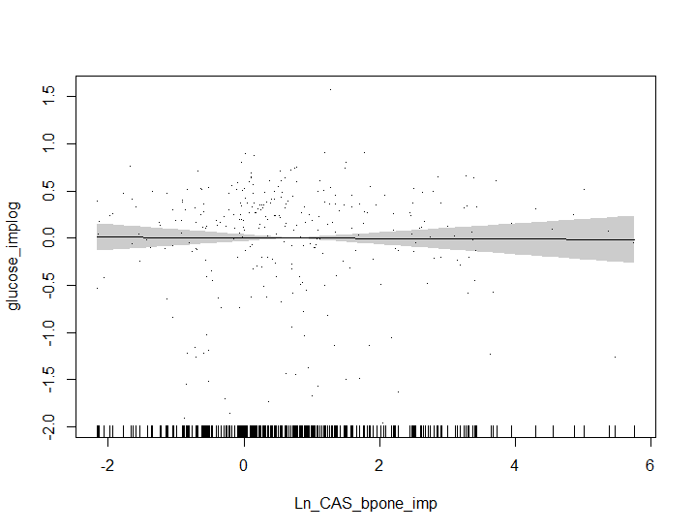
edf: 1.000 p-value: 0.896
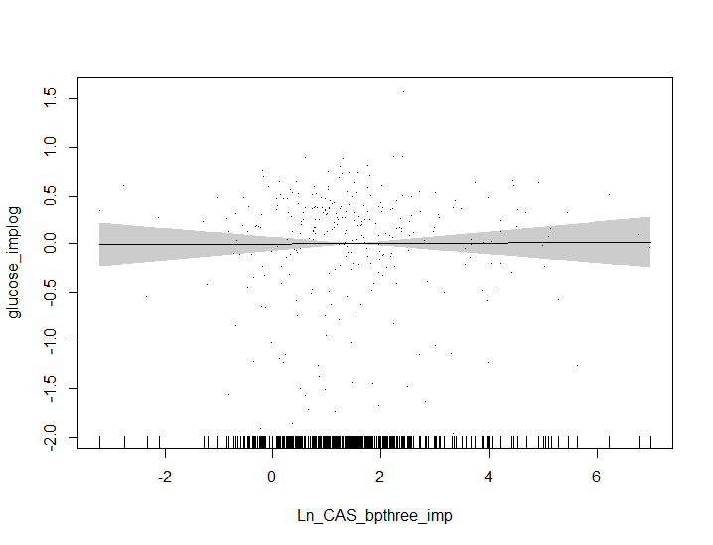
edf: 1.001 p-value: 0.916
 | BP-1 (trad.) (μg/L) |  | BP-3 (trad.) (μg/L)
Glucose (mg/dL) |  | Glucose (mg/dL)

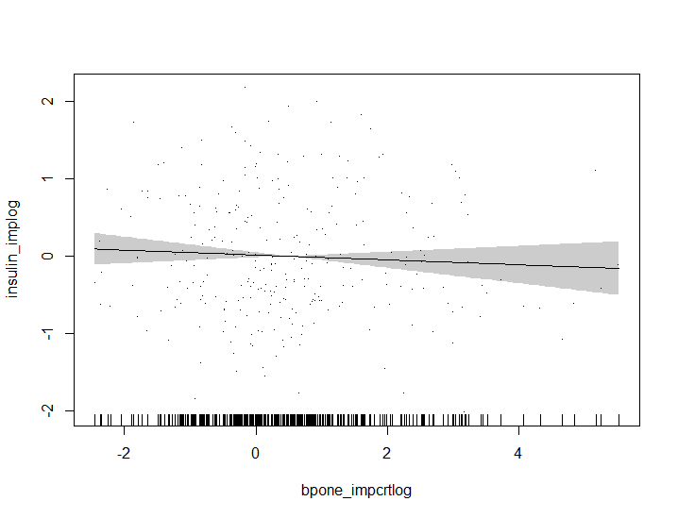
edf: 1.000 p-value: 0.361
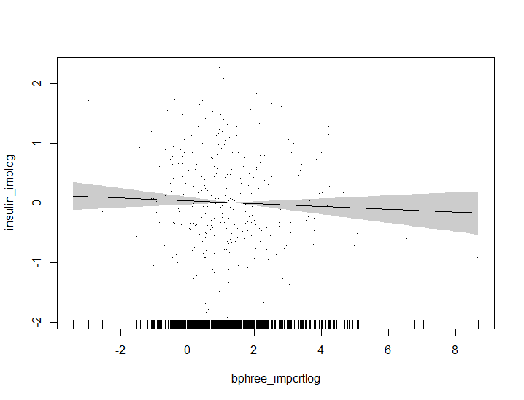
edf: 1.000 p-value: 0.339
 | BP-1 (CAS) (μg/L) |  | BP-3 (CAS) (μg/L)
Inslulin (μlU/mL) |  | Inslulin (μlU/mL)


edf: 1.000 p-value: 0.357
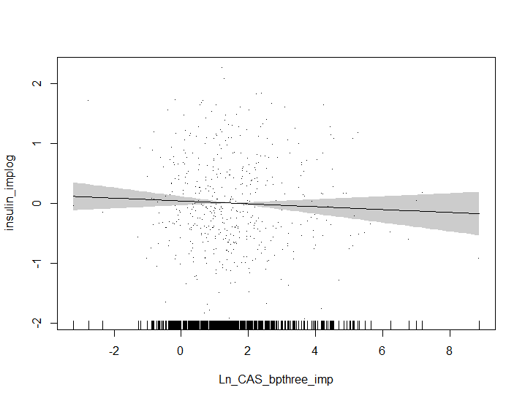
edf: 1.001 p-value: 0.332
 | BP-1 (trad.) (μg/L) |  | BP-3 (trad.) (μg/L)
Inslulin (μlU/mL) |  | Inslulin (μlU/mL)

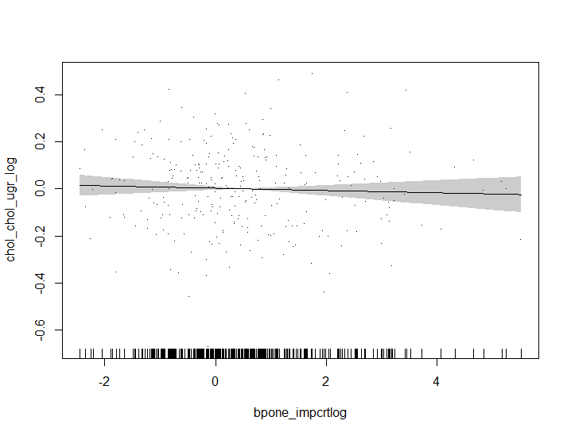
edf: 1.000 p-value: 0.520
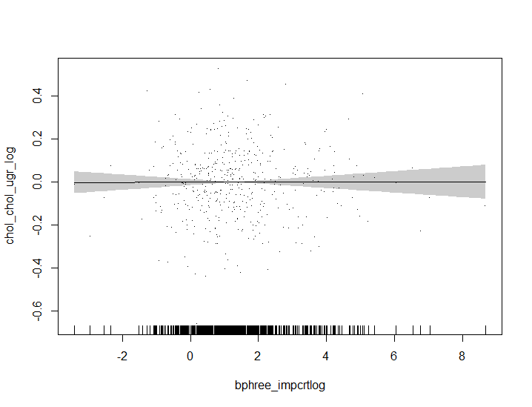
edf: 1.000 p-value: 0.977
 | BP-1 (CAS) (μg/L) |  | BP-3 (CAS) (μg/L)
Cholesterol (mg/dL) |  | Cholesterol (mg/dL)

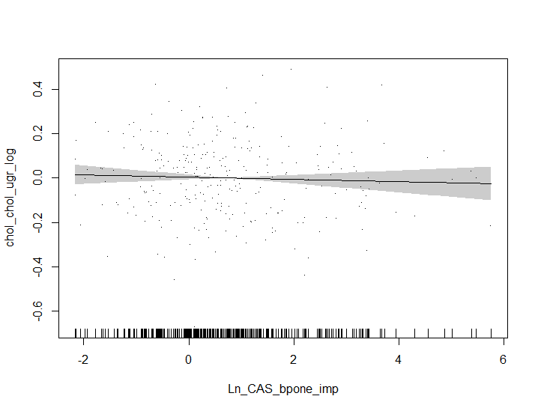
edf: 1.000 p-value: 0.503
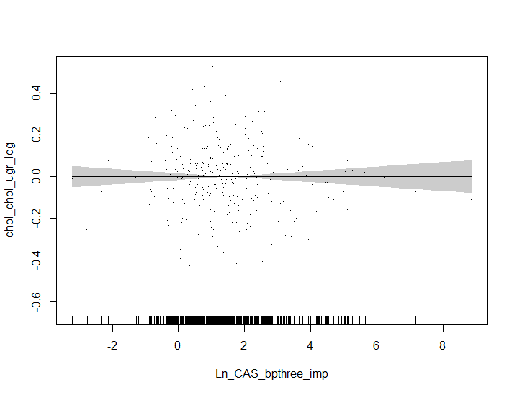
edf: 1.001 p-value: 0.997
 | BP-1 (trad.) (μg/L) |  | BP-3 (trad.) (μg/L)
Cholesterol (mg/dL) |  | Cholesterol (mg/dL)

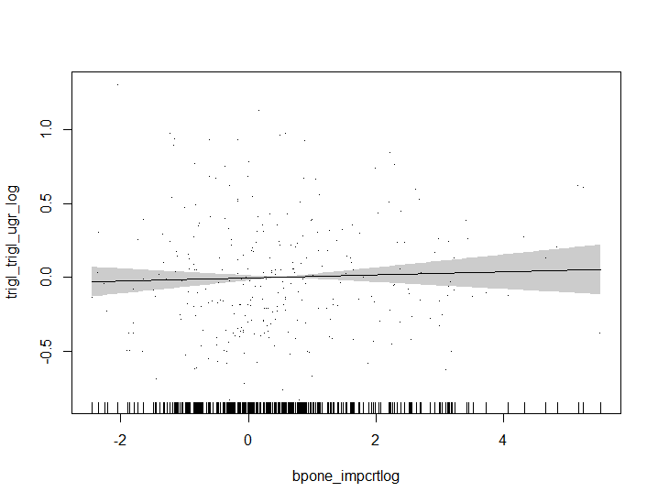
edf: 1.001 p-value: 0.537
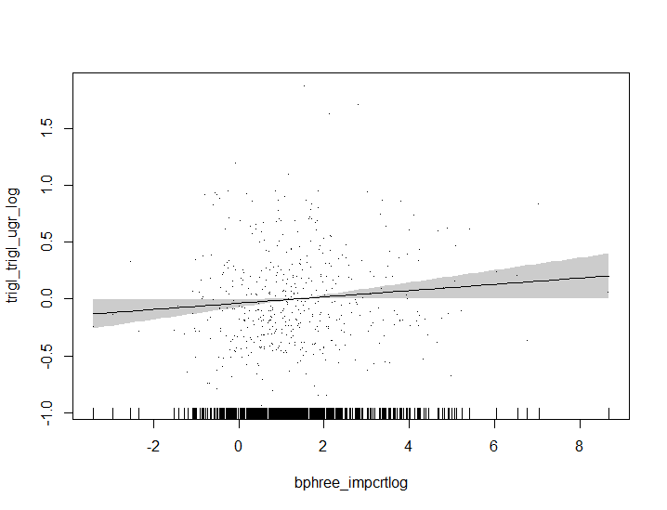
edf: 1.000 p-value: 0.0396
 | BP-1 (CAS) (μg/L) |  | BP-3 (CAS) (μg/L)
Tryglicerides (mg/dL) |  | Tryglicerides (mg/dL)

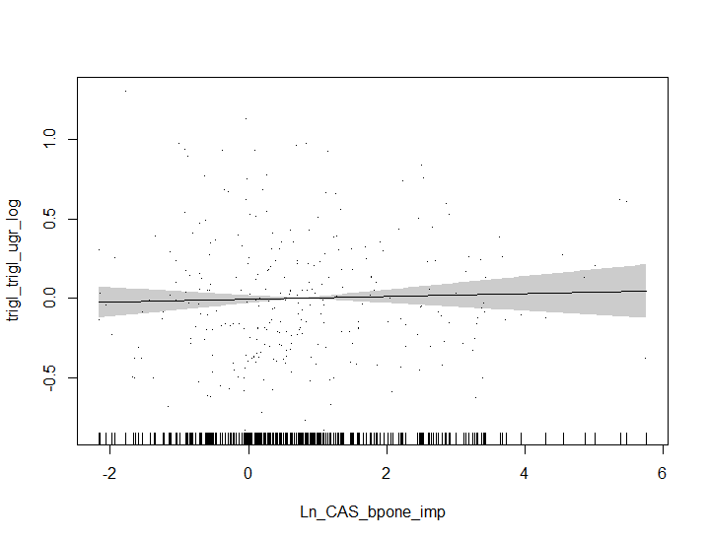
edf: 1.001 p-value: 0.599
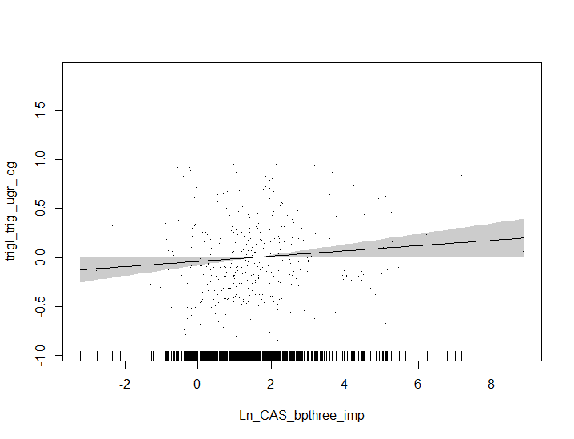
edf: 1.000 p-value: 0.0454
 | BP-1 (trad.) (μg/L) |  | BP-3 (trad.) (μg/L)
Tryglicerides (mg/dL)
 |  | Tryglicerides (mg/dL)

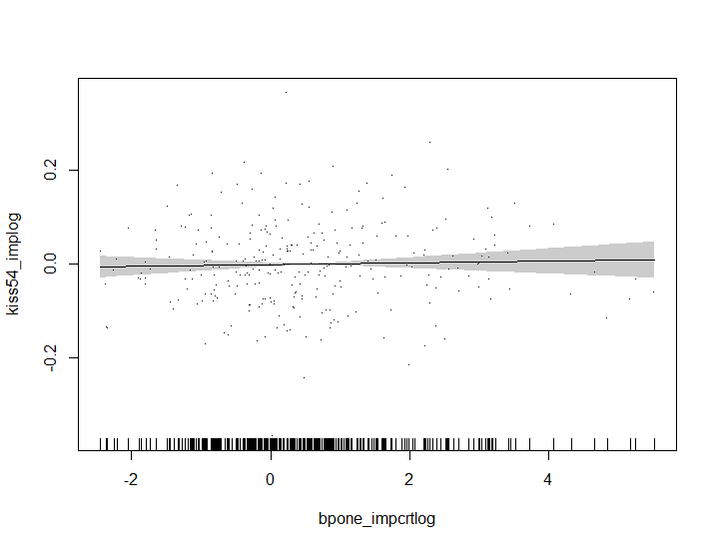
edf: 1.001 p-value: 0.626
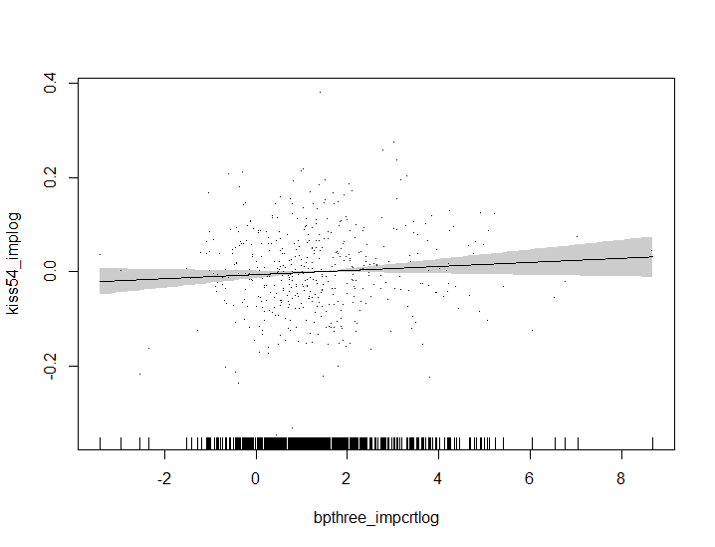
edf: 1.000 p-value: 0.139
 | BP-1 (CAS) (μg/L) |  | BP-3 (CAS) (μg/L)
Kiss 54 (pg/mL) |  | Kiss 54 (pg/mL)


edf: 1.001 p-value: 0.624
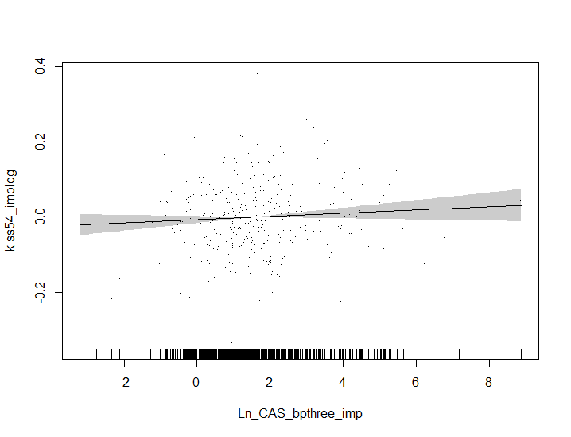
edf: 1.000 p-value: 0.140
 | BP-1 (trad.) (μg/L) |  | BP-3 (trad.) (μg/L)
Kiss 54 (pg/mL) |  | Kiss 54 (pg/mL)

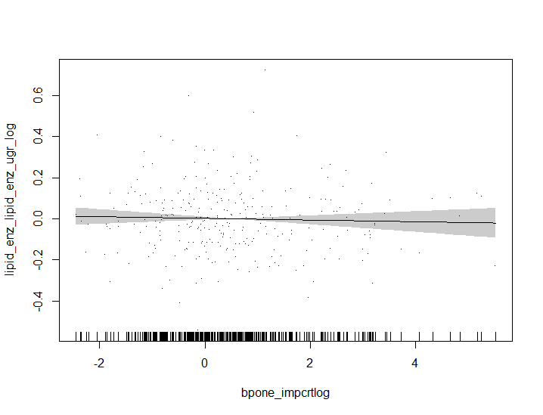
edf: 1.000 p-value: 0.568
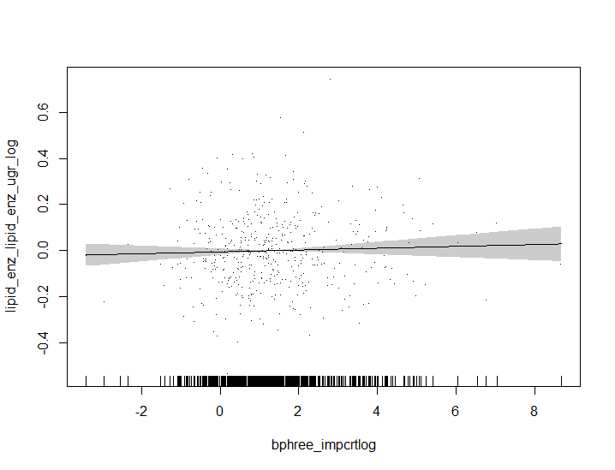
edf: 1.000 p-value: 0.439
 | BP-1 (CAS) (μg/L) |  | BP-3 (CAS) (μg/L)
Enzimatic lipids (mg/dL) |  | Enzimatic lipids (mg/dL)

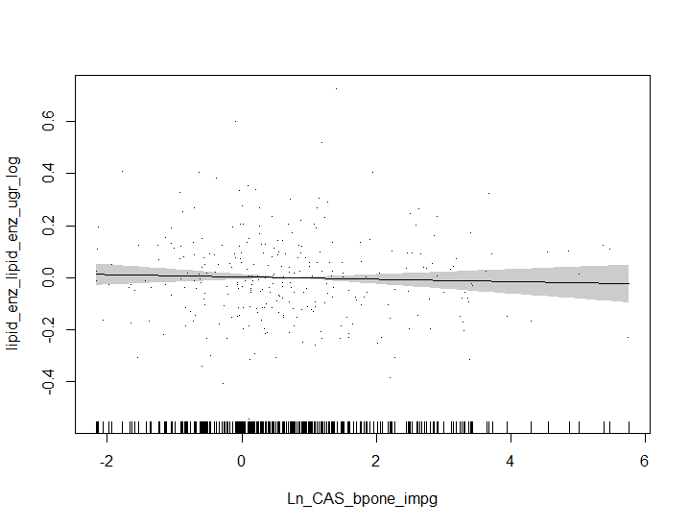
edf: 1.000 p-value: 0.531
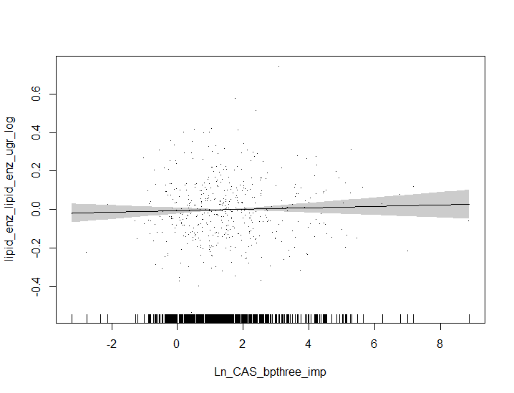
edf: 1.000 p-value: 0.463
 | BP-1 (trad.) (μg/L) |  | BP-3 (trad.) (μg/L)
Enzimatic lipids (mg/dL) |  | Enzimatic lipids (mg/dL)

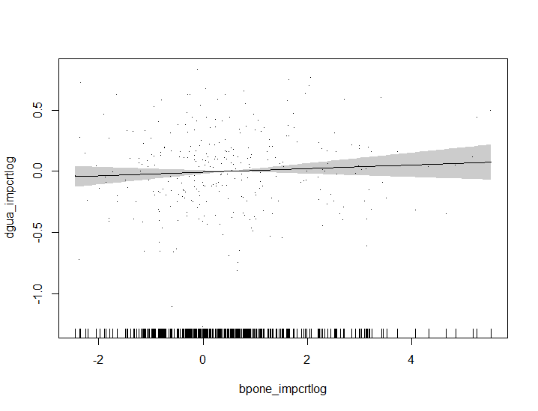
edf: 1.000 p-value: 0.302
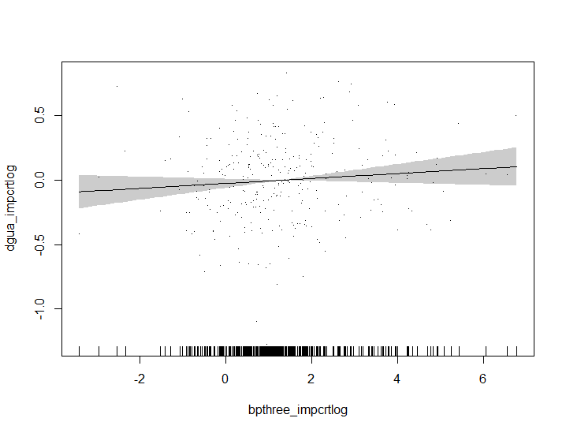
edf: 1.000 p-value: 0.160
 | BP-1 (CAS) (μg/L) |  | BP-3 (CAS) (μg/L)
8-OHdG (trad.) (μg/L) |  | 8-OHdG (trad.) (μg/L)


edf: 1.000 p-value: 0.531
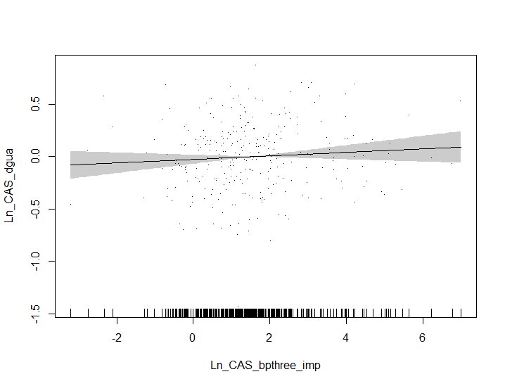
edf: 1.000 p-value: 0.225
 | BP-1 (trad.) (μg/L) |  | BP-3 (trad.) (μg/L)
8-OHdG (CAS) (μg/L) |  | 8-OHdG (CAS) (μg/L)

 | BP-1 (CAS) (μg/L) |  | BP-3 (CAS) (μg/L)
GAM: Generalized aditive model; edf: effective degrees of freedom; HDL: high density lipoproteins; LDL: low density lipoproteins; BP-1: benzophenone 1; BP-3: benzophenone 3; trad.: creatinine traditional standardization method; CAS: covariate-adjusted standardization method. Models that included BP-1 were adjusted for study cohort, age, sex, active smoking, passive smoking (Yes/No), sampling season, family educational level, family income, and BMI z-score. Models that included BP-3 were adjusted for study cohort, age, sex, passive smoking, sampling season, family educational level and BMI Z-score, except the model for glucose, that was adjusted for study cohort, age, sex, active smoking, pasive smoking (Yes/No), sampling season, family educational level, family income, and BMI Z-score. Bold text indicates p-value <0.05.

Figure S2
Figure S2. Sex-stratified associations between log-transformed BP-1 and BP-3 concentrations and BMI z-sccore and log-transformed cardiometabolic biomarker levels. GAM models. Only associations with a p-value for exposure-sex interaction <0.10 are displayed.

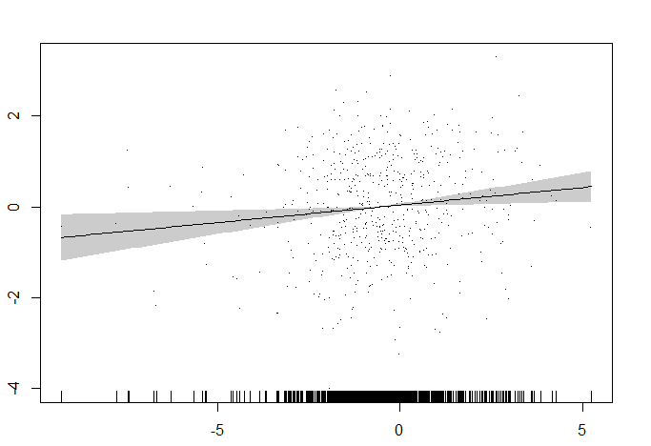
edf: 1.001 p-value: 0.008
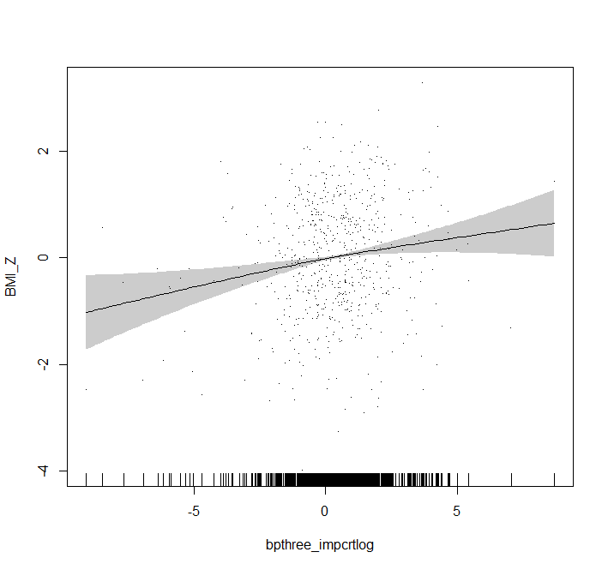
edf: 1.434 p-value: 0.019
Male population
BMI z-score (SD) |  | BMI z-score (SD)


edf: 1.001 p-value: 0.003
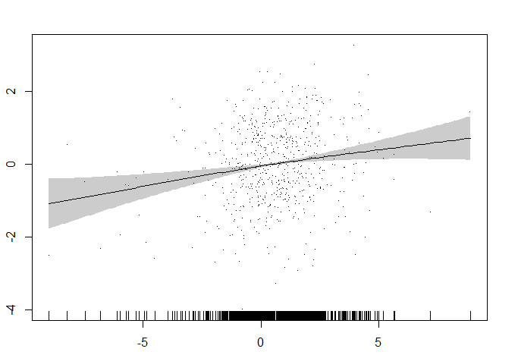
edf: 1.338 p-value: 0.001
 | BP-1 (trad.) (μg/L) |  | BP-3 (trad.) (μg/L)
BMI z-score (SD) |  | BMI z-score (SD)

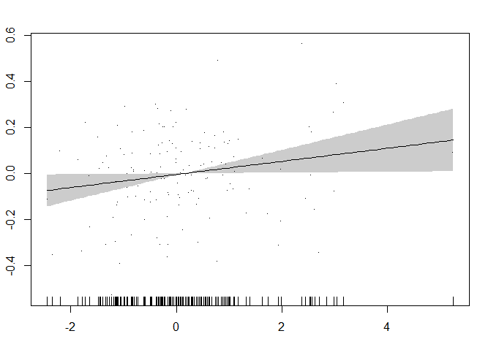
edf: 1.000 p-value: 0.035
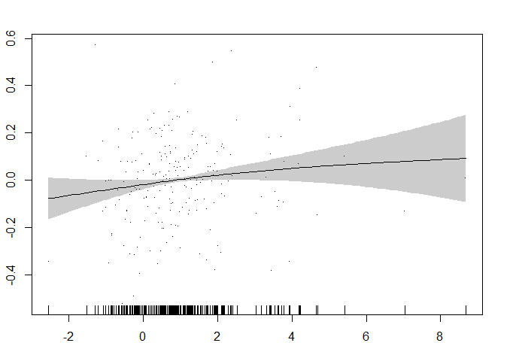
edf: 1.384 p-value: 0.033
 | BP-1 (CAS) (μg/L) |  | BP-3 (CAS) (μg/L)
HDL (mg/dL) |  | HDL (mg/dL)


edf: 1.000 p-value: 0.040
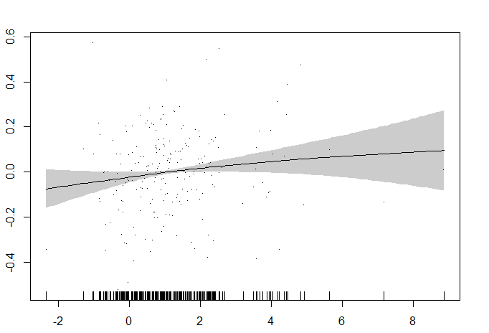
edf: 1.333 p-value: 0.103
 | BP-1 (trad.) (μg/L) |  | BP-3 (trad.) (μg/L)
HDL (mg/dL) |  | HDL (mg/dL)

edf: 1.000 p-value: 0.984
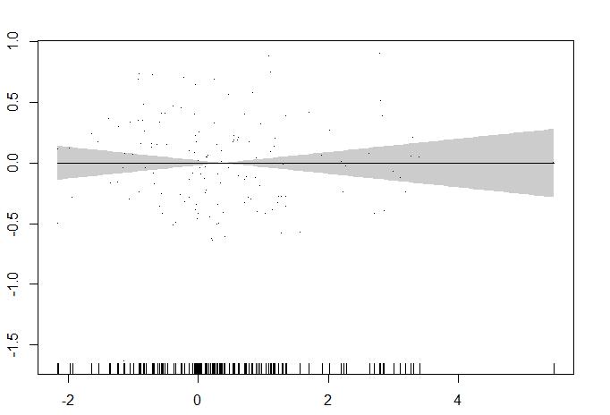
edf: 1.000 p-value: 0.992
 | BP-1 (CAS) (μg/L) |  | BP-3 (CAS) (μg/L)
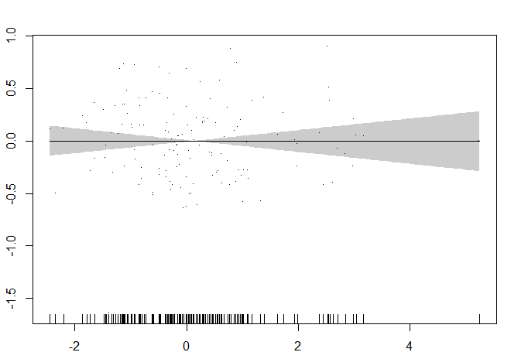 Adiponectin (μg/mL) |  | Adiponectin (μg/mL)

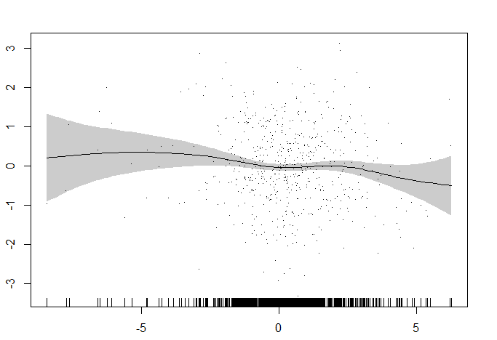
edf: 3.720 p-value: 0.178

edf: 4.265 p-value: 0.119
 | BP-1 (trad.) (μg/L) |  | BP-1 (CAS) (μg/L)
Female population
BMI z-score (SD) |  | BMI z-score (SD)


edf: 3.976 p-value: 0.232

edf: 4.217 p-value: 0.148
 | BP-1 (trad.) (μg/L) |  | BP-3 (trad.) (μg/L)
BMI z-score (SD) |  | BMI z-score (SD)


edf: 3.72 p-value: 0.178
edf: 1.000 p-value: 0.185

edf: 1.000 p-value: 0.433
 | BP-1 (CAS) (μg/L) |  | BP-3 (CAS) (μg/L)
HDL (mg/dL) |  | HDL (mg/dL)


edf: 1.000 p-value: 0.152

edf: 1.000 p-value: 0.424
 | BP-1 (trad.) (μg/L) |  | BP-3 (trad.) (μg/L)
HDL (mg/dL) |  | HDL (mg/dL)


edf: 3.472 p-value: 0.025

edf: 3.482 p-value: 0.024
 | BP-1 (CAS) (μg/L) |  | BP-3 (CAS) (μg/L)
Adiponectin (μg/mL) |  | Adiponectin (μg/mL)

 | BP-1 (trad.) (μg/L) |  | BP-1 (CAS) (μg/L)

GAM: Generalized aditive model; edf: effective degrees of freedom; HDL: high density lipoproteins; LDL: low density lipoproteins; BP-1: benzophenone 1; BP-3: benzophenone 3; trad.: creatinine-adjusted benzophenone concentrations (μg/g) were calculated by dividing benzophenone concentrations for urinary creatinine levels (traditional method); CAS: creatinine-adjusted benzophenone concentrations (μg/L) were calculated using the covariate-adjusted standardization method. Model for BMI Z-zcore: adjusted for study cohort, age, sex, active smoking, passive smoking, sampling season and family educational level. Models for the rest of cardiometabolic outcomes: models that included BP-1 were adjusted for study cohort, age, sex, active smoking, passive smoking (Yes/No), sampling season, family educational level, family income, and BMI z-score. Models that included BP-3 were adjusted for study cohort, age, sex, passive smoking, sampling season, family educational level and BMI Z-score. Bold text indicates p-value <0.05.

Figure S3
Figure S3. Associations between BP-1 and BP-3 concentrations in relation to cardiometabolic biomarker levels in the whole population (n=173-471).
Triglycerides1 | Cholesterol1 |  | HDL1
n=290 for BP1 and 467 for BP3 | n=288 for BP1 and 465 for BP3 |  | n=294 for BP1 and 471 for BP3
BP-3 (CAS) | 1.6664326352 | 1.0050167084 | 3.5
BP-3 (Trad.) | 2.3466095979 | 0.90406217739 | 2.5
BP-1 (CAS) | 2.5018847268 | 2.5003472101 | 1.5
BP-1 (Trad.) | 3.0722486965 | 2.3641123645 | 0.5
 | 1.6664326352 | 3.5
 | 2.3466095979 | 2.5
 | 2.5018847268 | 1.5
 | 3.0722486965 | 0.5
BP-3 (CAS) | 1.6664326352 | 0.0096854690113 | 3.5
BP-3 (Trad.) | 2.3466095979 | -0.019715265717 | 2.5
BP-1 (CAS) | 2.5018847268 | -0.29117526015 | 1.5
BP-1 (Trad.) | 3.0722486965 | -0.32606724235 | 0.5

LDL1 |  | Adiponectin1 |  | Glucose2
n=294 for BP1 and 471 for BP3 |  | n=294 for BP1 and 468 for BP3 |  | n=294
BP-3 (CAS) | 1.6664326352 | -0.3992010656 | 3.5
BP-3 (Trad.) | 2.3466095979 | -0.3992010656 | 2.5
BP-1 (CAS) | 2.5018847268 | -0.15108575039 | 1.5
BP-1 (Trad.) | 3.0722486965 | -0.16027142795 | 0.5
BP-3 (CAS) | 1.6664326352 | -2.0781035431 | 3.5
BP-3 (Trad.) | 2.3466095979 | -2.0781035431 | 2.5
BP-1 (CAS) | 2.5018847268 | -2.2259518011 | 1.5
BP-1 (Trad.) | 3.0722486965 | -2.2310359194 | 0.5
BP-3 (CAS) | 1.6664326352 | -0.3992010656 | 3.5
BP-3 (Trad.) | 2.3466095979 | -0.29955044966 | 2.5
BP-1 (CAS) | 2.5018847268 | 0.2002001334 | 1.5
BP-1 (Trad.) | 3.0722486965 | 0.30045045034 | 0.5

Insulin1 |  | HOMA-IR2 |  | Kisspeptin 541
n=290 for BP1 and 466 for BP3 |  | n=290 for BP1 and 466 for BP3 |  | n=294 for BP1 and 462 for BP3
BP-3 (CAS) | 1.6664326352 | -3.1493417921 | 3.5
BP-3 (Trad.) | 2.3466095979 | -3.1493417921 | 2.5
BP-1 (CAS) | 2.5018847268 | -2.6154877704 | 1.5
BP-1 (Trad.) | 3.0722486965 | -2.6665038874 | 0.5
BP-1 (CAS) | -0.039 | -3.8249290854 | 3.5
BP-1 (Trad.) | -0.038 | -3.7287059109 | 2.5
BP-3 (CAS) | -0.029 | -2.8583535533 | 1.5
BP-3 (Trad.) | -0.029 | -2.8583535533 | 0.5
BP-3 (CAS) | 1.6664326352 | 0.2002001334 | 3.5
BP-3 (Trad.) | 2.3466095979 | 0.2002001334 | 2.5
BP-1 (CAS) | 2.5018847268 | 0.44348047692 | 1.5
BP-1 (Trad.) | 3.0722486965 | 0.44579070354 | 0.5

BP-3 (CAS) | 1.6664326352 |  | 3.5
BP-3 (Trad.) | 2.3466095979 |  | 2.5
BP-1 (CAS) | 2.5018847268 | 5.3375742513 | 1.5
BP-1 (Trad.) | 3.0722486965 | 5.3375742513 | 0.5
8-OHdG*2 |  | Leptin2
n=299 |  | n=173
BP-1 (CAS) | -0.039 | 1.4098458938 | 3.5
BP-1 (Trad.) | -0.038 | 2.3266539547 | 2.5
BP-3 (CAS) | -0.029 | 1.7145322325 | 1.5
BP-3 (Trad.) | -0.029 | 2.4290317891 | 0.5

CI: confidence intervals; BP-1: benzophenone 1; BP-3: benzophenone 3; HDL: high density lipoproteins; LDL: low density lipoproteins; HOMA-IR: homeostatic model assessment for insulin resistance; 8-OHdG: 8-hydroxydeoxyguanosine; Trad: creatinine-adjusted benzophenone concentrations (μg/g) were calculated by dividing benzophenone concentrations for urinary creatinine levels (traditional method); CAS: creatinine-adjusted benzophenone concentrations (μg/L) were calculated using the covariate-adjusted standardization method.1Linear mixed model and linear regression models for the associations with BP-1 and BP-3, respectively. 2Linear regression models. Models that included BP-1 were adjusted for age, sex, active smoking, passive smoking (Yes/No), sampling season, family educational level, family income, and BMI Z-score, considering the cohort name as a random effect (mixed models). Models that included BP-3 were adjusted for age, sex, passive smoking, sampling season, educational level and BMI Z-score, considering the study cohort as a random effect (mixed models). Circles and error bars represent linear mixed or linear regression effect estimates with their corresponding 95% confidence intervals for each association explored, expressed as percent change (PC). Numeric data corresponding to this figure can be found in Table S6.

Figures S4
Figure S4. Sex-stratified associations between BP-1 and BP-3 concentrations in relation to cardiometabolic biomarkers. Only associations with a p-value for exposure-sex interaction <0.10 are displayed.

Linear regression (BP-1) and linear mixed models (BP-3) | Linear regression models
HDL | Adiponectin
BP-3 (CAS) | 1.064 | 2.3266539547 | 7.5
BP-3 (CAS) | 0.991 | -1.5872679945 | 6.5
BP-3 (Trad.) | 1.077 | 2.224378447 | 5.5
BP-3 (Trad.) | 0.999 | -1.5872679945 | 4.5
BP-1 (CAS) | 1.108 | 1.5113064616 | 3.5
BP-1 (CAS) | 0.991 | -0.69755570668 | 2.5
BP-1 (Trad.) | 1.12 | 1.4098458938 | 1.5
BP-1 (Trad.) | 0.997 | -0.69755570668 | 0.5
BP-1 (CAS) | 0.40080106773 | 0.40080106773 | 3.5
BP-1 (CAS) | -3.7287059109 | -3.7287059109 | 2.5
BP-1 (Trad.) | 0.40080106773 | 0.40080106773 | 1.5
BP-1 (Trad.) | -3.7287059109 | -3.7287059109 | 0.5

 |  | Male population
 |  | Female population

HDL: high density lipoprotein; CI: confidence intervals; BP-1: benzophenone 1; BP-3: benzophenone 3; Trad: creatinine-adjusted benzophenone concentrations (μg/g) were calculated by dividing benzophenone concentrations for urinary creatinine levels (traditional method); CAS: creatinine-adjusted benzophenone concentrations (μg/L) were calculated using the covariate-adjusted standardization method. Circles and error bars represent linear regression and linear mixed models effect estimates with their corresponding 95% confidence intervals for each association explored, expressed as percent change (PC). Models were adjusted for age, sex, active smoking, passive smoking, sampling season, family educational level, and family income, considering the study cohort as a random effect (mixed models). Numeric data corresponding to this figure can be found in Table S5.

Figure S5
Figure S5. Associations between BP-1 and BP-3 concentrations in relation to asthma/allergy outcomes in the whole population (n=288-594)
Binary logistic mixed models |  |  | Logistic regressions
Asthma1 | Food allergies2 | Non-food allergies2 | Eczema3
n=594 | n=543 | n=549 | n=288
BP-3 (CAS) | 0.016527 | 1.007 | 3.5
BP-3 (Trad.) | 0.023195 | 1.007 | 2.5
BP-1 (CAS) | 0.024711 | 1.014 | 1.5
BP-1 (Trad.) | 0.03026 | 1.014 | 0.5
BP-3 (CAS) | 0.016527 | 0.936 | 3.5
BP-3 (Trad.) | 0.023195 | 0.936 | 2.5
BP-1 (CAS) | 0.024711 | 0.847 | 1.5
BP-1 (Trad.) | 0.03026 | 0.847 | 0.5
BP-3 (CAS) | 0.016527 | 1.08 | 3.5
BP-3 (Trad.) | 0.023195 | 1.08 | 2.5
BP-1 (CAS) | 0.024711 | 1.091 | 1.5
BP-1 (Trad.) | 0.03026 | 1.091 | 0.5
BP-3 (CAS) | 0.016527 | 0.93 | 3.5
BP-3 (Trad.) | 0.023195 | 0.93 | 2.5
BP-1 (CAS) | 0.024711 | 1.041 | 1.5
BP-1 (Trad.) | 0.03026 | 1.041 | 0.5

1Adjusted for age, sex, passive smoking, sampling season, and BMI Z-score, considering the study cohort as a random effect. 2Adjusted for age, sex, passive smoking, sampling season, family income, and BMI Z-score, considering the study cohort as a random effect.3Adjusted for age, sex, passive smoking, sampling season, family educational level, family income, and BMI Z-score. OR: odds ratio; CI: confidence intervals; BP-1: benzophenone 1; BP-3: benzophenone 3; Trad: creatinine-adjusted benzophenone concentrations (μg/g) were calculated by dividing benzophenone concentrations for urinary creatinine levels (traditional method); CAS: creatinine-adjusted benzophenone concentrations (μg/L) were calculated using the covariate-adjusted standardization method. Circles and error bars represent logistic mixed or logistic regression effect estimates with their corresponding 95% confidence intervals for each association explored. Numeric data corresponding to this figure can be found in Table S7.

Figures S6
BP-3 (CAS) | 1.064 | 2.3266539547 | 7.5
BP-3 (CAS) | 0.991 | -1.5872679945 | 6.5
BP-3 (Trad.) | 1.077 | 2.224378447 | 5.5
BP-3 (Trad.) | 0.999 | -1.5872679945 | 4.5
BP-1 (CAS) | 1.108 | 1.5113064616 | 3.5
BP-1 (CAS) | 0.991 | -0.69755570668 | 2.5
BP-1 (Trad.) | 1.12 | 1.4098458938 | 1.5
BP-1 (Trad.) | 0.997 | -0.69755570668 | 0.5
Figure S6. Sex-stratified associations between BP-1 and BP-3 concentrations and asthma/allergy outcomes. Only associations with a p-value for exposure-sex interaction <0.10 are displayed.

Binary logistic mixed models
Non-food allergies
BP-3 (CAS) | 1.273 | 1.273 | 3.5
BP-3 (CAS) | 0.893 | 0.893 | 2.5
BP-3 (Trad.) | 1.273 | 1.273 | 1.5
BP-3 (Trad.) | 0.893 | 0.893 | 0.5

 | Male population
 | Female population

OR: odds ratio; CI: confidence intervals; BP-3: benzophenone 3; Trad: creatinine-adjusted benzophenone concentrations (μg/g) were calculated by dividing benzophenone concentrations for urinary creatinine levels (traditional method); CAS: creatinine-adjusted benzophenone concentrations (μg/L) were calculated using the covariate-adjusted standardization method. Circles and error bars represent binary logistic mixed models effect estimates with their corresponding 95% confidence intervals for each association explored. Models were adjusted for age, sex, active smoking, passive smoking, sampling season, and family educational level, considering the study cohort as a random effect. Numeric data corresponding to this figure can be found in Table S5.

Figure S7
Figure S7. Sex-stratified associations between BP-1, BP-3 and ∑BP concentrations in relation to BMI z-score and obesity risk.
Linear mixed models | Binary logistic mixed models | Multinomial logistic mixed models
BMI z-score | Obesity/overweight1 | Overweight1 | Obesity1
∑BPs (CAS) | 0.072 | 0.072 | 15.2
∑BPs (CAS) | -0.036397 | -0.036397 | 14
∑BPs (Trad.) | 0.0798 | 0.0798 | 12.7
∑BPs (Trad.) | -0.030658 | -0.030658 | 11.3
BP-3 (CAS) | 0.075547 | 0.075547 | 10
BP-3 (CAS) | -0.016463 | -0.016463 | 8.6
BP-3 (Trad.) | 0.0821 | 0.0821 | 7.4
BP-3 (Trad.) | -0.011816 | -0.011816 | 6
BP-1 (CAS) | 0.10097 | 0.10097 | 4.8
BP-1 (CAS) | -0.020411 | -0.020411 | 3.4
BP-1 (Trad.) | 0.109508 | 0.109508 | 1.8
BP-1 (Trad.) | -0.014681 | -0.014681 | 0.7
∑BPs (CAS) | 0.072 | 1.096 | 15.2
∑BPs (CAS) | -0.036397 | 0.973 | 14
∑BPs (Trad.) | 0.0798 | 1.109 | 12.7
∑BPs (Trad.) | -0.030658 | 0.982 | 11.3
BP-3 (CAS) | 0.075547 | 1.143 | 10
BP-3 (CAS) | -0.016463 | 0.995 | 8.6
BP-3 (Trad.) | 0.0821 | 1.156 | 7.4
BP-3 (Trad.) | -0.011816 | 1.003 | 6
BP-1 (CAS) | 0.10097 | 1.145 | 4.8
BP-1 (CAS) | -0.020411 | 1.002 | 3.4
BP-1 (Trad.) | 0.109508 | 1.161 | 1.8
BP-1 (Trad.) | -0.014681 | 1.012 | 0.7
∑BPs (CAS) | 0.072 | 1.064 | 15.2
∑BPs (CAS) | -0.036397 | 0.991 | 14
∑BPs (Trad.) | 0.0798 | 1.077 | 12.7
∑BPs (Trad.) | -0.030658 | 0.999 | 11.3
BP-3 (CAS) | 0.075547 | 1.108 | 10
BP-3 (CAS) | -0.016463 | 0.991 | 8.6
BP-3 (Trad.) | 0.0821 | 1.12 | 7.4
BP-3 (Trad.) | -0.011816 | 0.997 | 6
BP-1 (CAS) | 0.10097 | 1.103 | 4.8
BP-1 (CAS) | -0.020411 | 1.005 | 3.4
BP-1 (Trad.) | 0.109508 | 1.118 | 1.8
BP-1 (Trad.) | -0.014681 | 1.014 | 0.7
∑BPs (CAS) | 0.072 | 1.229 | 15.2
∑BPs (CAS) | -0.036397 | 0.919 | 14
∑BPs (Trad.) | 0.0798 | 1.249 | 12.7
∑BPs (Trad.) | -0.030658 | 0.933 | 11.3
BP-3 (CAS) | 0.075547 | 1.319 | 10
BP-3 (CAS) | -0.016463 | 1.027 | 8.6
BP-3 (Trad.) | 0.0821 | 1.34 | 7.4
BP-3 (Trad.) | -0.011816 | 1.04 | 6
BP-1 (CAS) | 0.10097 | 1.349 | 4.8
BP-1 (CAS) | -0.020411 | 1.009 | 3.4
BP-1 (Trad.) | 0.109508 | 1.375 | 1.8
BP-1 (Trad.) | -0.014681 | 1.025 | 0.7

 |  |  |  | Male poplation
 |  |  |  | Female population
1Reference category: normal/thinness/severe thinness. BP-1: benzophenone 1; BP-3: benzophenone 3; ∑BPs:molar sum of benzophenone 1 and 3; BMI: body mass index; Trad: creatinine-adjusted benzophenone concentrations (μg/g) were calculated by dividing benzophenone concentrations for urinary creatinine levels (traditional method); CAS: creatinine-adjusted benzophenone concentrations (μg/L) were calculated using the covariate-adjusted standardization method. Circles and error bars represent mixed models effect estimates with their corresponding 95% confidence intervals for each association explored. Models were adjusted for age, sex, current smoking, passive smoking, sampling season, and family educational level, considering the study cohort as a random effect.

