Fig. 1b
 | Sesn1 mRNA relative levels |  |  | Sesn1 protein levels (normalized to tubulin) |  |  | Western Blot

 | Basal | 3d Imm | 10d Imm | Basal | 10d Imm
 | 1.0918 | 0.5704 | 0.5344 | 0.6924 | 0.4990
 | 0.9159 | 0.5748 | 0.7628 | 1.0710 | 0.4976
 | 1.2815 | 0.6512 | 0.4032 | 0.7741 | 0.2200
 | 0.7637 | 0.7093 | 0.4939 | 0.8784 | 0.8583
 | 1.0218 |  | 0.6952 | 1.4142 | 0.5702
mean: | 1.01 | 0.63 | 0.58 | 0.97 | 0.53

Each value correspond to one mouse

B
Basal
Imm
Imm
C+

55
 |  |  |  |  |  | Ab anti Tubulin

Fig. 3c
 | WB quantifications

 | phosphoFoxO3 (normalized to total FoxO3) |  |  |  | phosphoFoxO1 (normalized to total FoxO1)

 | Sesn1WT basal | Sesn1SkM-Tg basal | Sesn1WT Imm | Sesn1SkM-Tg Imm | Sesn1WT basal | Sesn1SkM-Tg basal | Sesn1WT Imm | Sesn1SkM-Tg Imm
 | 1.6 | 0.78 | 0.73 | 3.71 | 2.15 | 0.86 | 0.75 | 0.8
 | 0.62 | 1.05 | 1.74 | 2.1 | 0.45 | 3.34 | 1.39 | 0.68
 | 0.78 | 0.38 | 0.63 | 3.97 | 0.41 | 1.04 | 0.85 | 0.64
 |  |  | 0.9 |  |  |  | 1.01
mean: | 1.00 | 0.74 | 1.00 | 3.26 | 1.00 | 1.75 | 1.00 | 0.71

 | phospho AKT S473 (normalized to total AKT) |  |  |  | phospho AKT T308 (normalized to total AKT)

 | Sesn1WT basal | Sesn1SkM-Tg basal | Sesn1WT Imm | Sesn1SkM-Tg Imm | Sesn1WT basal | Sesn1SkM-Tg basal | Sesn1WT Imm | Sesn1SkM-Tg Imm
 | 0.41 | 1.78 | 1.09 | 1.34 | 1.36 | 1.55 | 1.07 | 8.88
 | 1.11 | 3.32 | 1.66 | 1 | 0.73 | 1.75 | 0.25 | 13.29
 | 1.57 | 3.58 | 0.37 | 0.96 | 0.91 | 2.78 | 1.63 | 10.32
 | 0.91 | 1.72 | 0.89 | 1.57 | 1 | 2.83 | 1.05 | 6.28
mean: | 1.00 | 2.60 | 1.00 | 1.22 | 1.00 | 2.23 | 1.00 | 9.69

 | WB images | The bands shown in figure are indicated

 |  |  |  |  | 3d immobilization

 |  |  |  |  |  |  |  | Tubulin

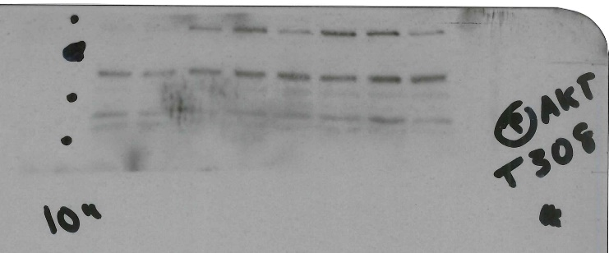
70
55

Basal
WT
Sesn1 Tg

Sesn1 Tg
WT
55

Tubulin
Basal

Fig. 3d
 | WB quantifications

 | phosphoFoxO3 (normalized to total FoxO3) |  |  |  | phosphoFoxO1 (normalized to total FoxO1)

 | Sesn2WT basal | Sesn2SkM-Tg basal | Sesn2WT Imm | Sesn2SkM-Tg Imm | Sesn2WT basal | Sesn2SkM-Tg basal | Sesn2WT Imm | Sesn2SkM-Tg Imm
 | 1.04 | 1.44 | 0.99 | 2.31 | 1.56 | 2.05 | 1.43 | 1.32
 | 0.95 | 2.5 | 1.05 | 1.53 | 0.97 | 3.23 | 1.03 | 2.47
 | 1.02 | 3.37 | 0.95 | 1.97 | 0.72 | 2.92 | 0.69 | 2.16
 |  | 1.62 |  |  |  | 2.62 | 0.77 | 2.11
mean: | 1.00 | 2.23 | 1.00 | 1.94 | 1.08 | 2.71 | 0.98 | 2.02

 | phospho AKT S473 (normalized to total AKT) |  |  |  | phospho AKT T308 (normalized to total AKT)

 | Sesn2WT basal | Sesn2SkM-Tg basal | Sesn2WT Imm | Sesn2SkM-Tg Imm | Sesn2WT basal | Sesn2SkM-Tg basal | Sesn2WT Imm | Sesn2SkM-Tg Imm
 | 0.66 | 2.79 | 1.44 | 1.8 | 0.83 | 4.03 | 1.79 | 1.86
 | 1.3 | 1.94 | 0.87 | 2.42 | 0.74 | 2.72 | 1.40 | 1.99
 | 1.1 | 2.45 | 0.74 | 1.2 | 1.15 | 2.71 | 0.55 | 3.44
 | 1.24 | 2.88 |  |  | 1.45 | 3.67 | 0.82 | 2.70
mean: | 1.08 | 2.52 | 1.02 | 1.81 | 1.04 | 3.28 | 1.14 | 2.50

 | WB images | The bands shown in figure are indicated |  |  | 3d immobilization

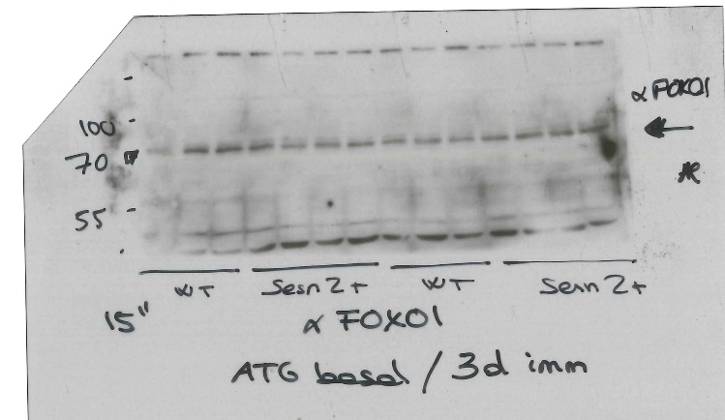

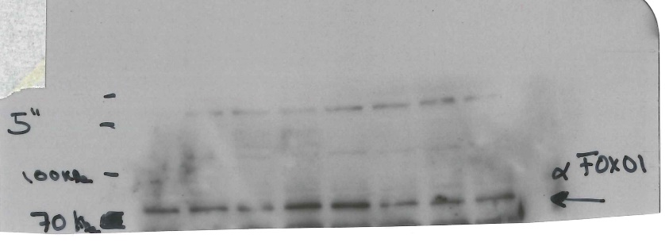

Tubulin

Basal

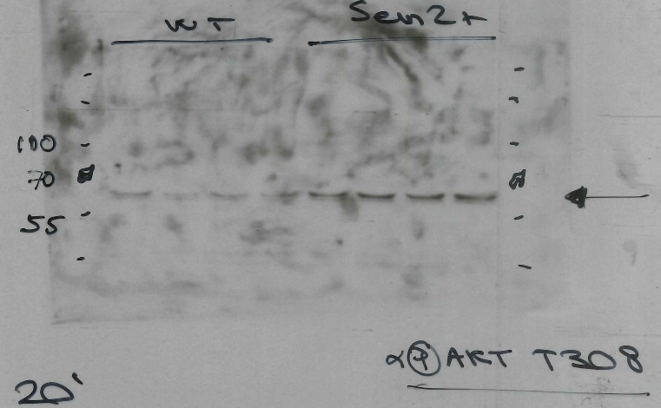

Basal

total AKT basal

Fig. 4b
 |  | WB quantifications

left |  | phospho S6 (normalized to total S6) |  |  |  | phospho ULK1 (normalized to total ULK1) |  |  |  | Each value correspond to one mouse

 |  | Sesn2WT basal | Sesn2SkM-Tg basal | Sesn2WT Imm | Sesn2SkM-Tg Imm | Sesn2WT basal | Sesn2SkM-Tg basal | Sesn2WT Imm | Sesn2SkM-Tg Imm
 |  | 1.27 | 0.37 | 2.44 | 1.92 | 1.19 | 0.33 | 1.42 | 0.48
 |  | 1.02 | 0.40 | 2.84 | 0.64 | 1.11 | 0.34 | 0.93 | 0.23
 |  | 0.79 | 0.41 | 2.80 | 0.10 | 0.7 | 0.39 | 1.43 | 0.34
 |  |  | 0.51 |  |  |  | 0.46 |  | 0.35
 | mean: | 1.02 | 0.42 | 2.69 | 0.89 | 1.00 | 0.38 | 1.26 | 0.35

right |  | phospho S6 (normalized to total S6) |  |  |  | phospho ULK1 (normalized to total ULK1)

 |  | AAV-Control basal | AAV-Sesn1 basal | AAV-Control Imm | AAV-Sesn1 Imm | AAV-Control basal | AAV-Sesn1 basal | AAV-Control Imm | AAV-Sesn1 Imm
 |  | 0.922 | 0.221 | 1.721 | 0.312 | 1.417 | 0.652 | 1.294 | 0.406
 |  | 0.728 | 0.066 | 1.28 | 0.478 | 0.819 | 0.472 | 1.744 | 0.909
 |  | 1.296 | 1.171 | 1.366 | 0.151 | 0.783 | 0.774 | 1.25 | 0.526

 | mean: | 0.98 | 0.49 | 1.46 | 0.31 | 1.01 | 0.63 | 1.43 | 0.61

 |  | WB images | The bands shown in figure are indicated

 |  |  | Left: Sesn2WT and Sesn2SkM-Tg |  |  |  |  | Right: AAV-Control and AAV-Sesn1

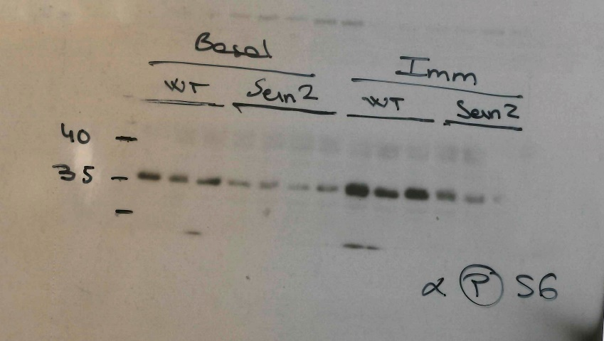

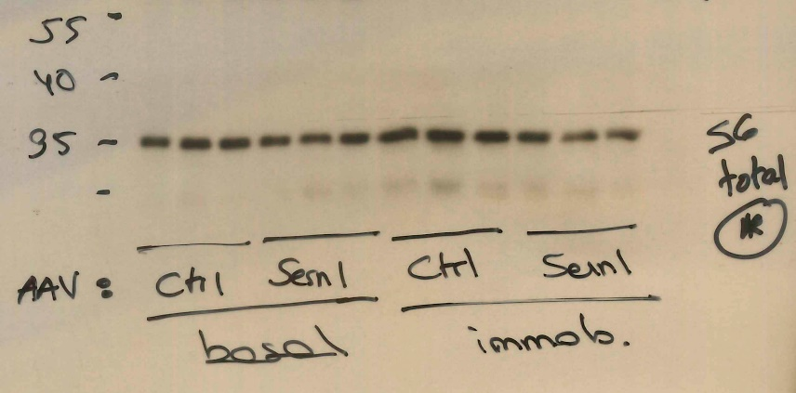

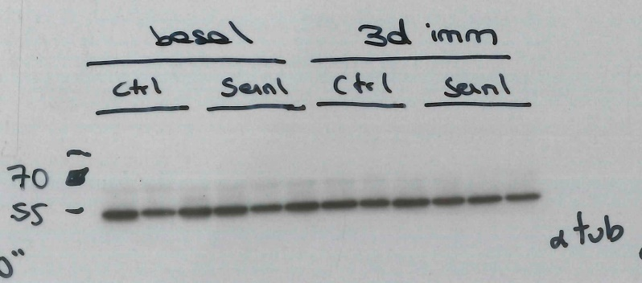

 | Tubulin

Fig. 4c
 |  | WB quantifications

 |  | LC3-II normalized to GAPDH

 |  | AAV-Control |  | AAV-Sesn1 |  |  |  | AAV-Control |  | AAV-Sesn1
Left: basal |  | Vehicle | Colchicine | Vehicle | Colchicine |  | Right: 3d Imm | Vehicle | Colchicine | Vehicle | Colchicine
 |  | 1 | 2.43 | 0.76 | 2.85 |  |  | 1.53 | 0.65 | 0.24 | 1.85
 |  | 0.98 | 1.94 | 0.89 | 1.65 |  |  | 0.7 | 2.32 | 0.36 | 1.43
 |  | 1.09 |  | 0.75 |  |  |  | 0.77 | 0.89 | 0.58 | 1.16
 |  | 1.24 | 2.06 | 1.03 | 2.26
 |  | 0.74 | 2.56 | 0.8 | 2.04
 | mean: | 1.01 | 2.25 | 0.85 | 2.20 |  |  | 1.00 | 1.29 | 0.39 | 1.48

 |  |  | AAV-Control | AAV-Sesn1 |  |  |  |  | AAV-Control | AAV-Sesn1
bottom: fold increase colchicine vs vehicle |  |  | 2.38 | 3.55 |  |  | bottom: fold increase colchicine vs vehicle |  | 0.6497 | 3.736223
 |  |  | 1.90 | 2.06 |  |  |  |  | 2.322031 | 3.736223
 |  |  | 2.09 | 2.46 |  |  |  |  | 0.8859323 | 2.340775
 |  |  | 2.59 | 2.23
 |  |  | 2.24 | 2.58 |  |  |  |  | 1.29 | 3.27

 |  | WB images in Fig. 4c |  | Basal |  |  |  | Immobilized
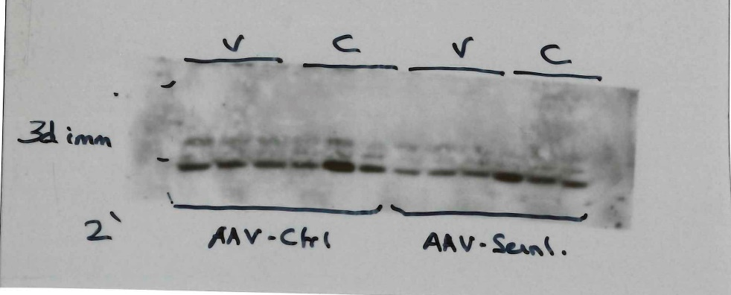
25

15
15
 |  |  |  |  |  | LC3 antibody

 |  |  |  |  |  | GAPDH antibody

 |  | Other WB used for quantifications:

Fig. 5a
 | Sesn1 protein levels (normalized to tubulin) |  |  |  | WB images in fig 5a | Other WB used for quantifications
C-( Sesn1 KO)
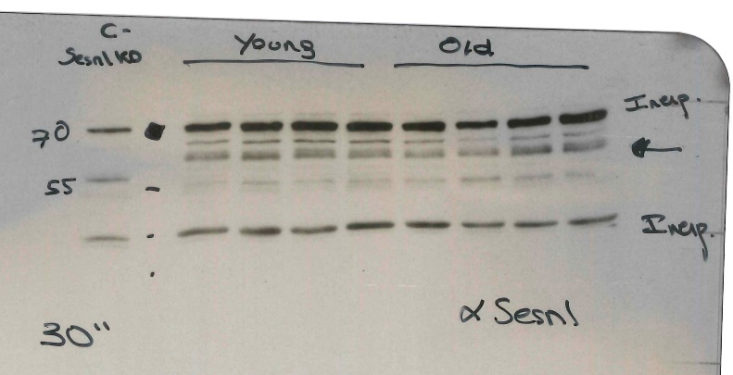
 | Young | Old | Data from 2 different WBs
 | 0.79 | 0.78
 | 0.77 | 0.21
inespecific
 | 1.01 | 0.74
 | 1.35 | 0.96
 | 0.95 | 0.58 |  | Sesn1 antibody
inespecific
 | 1.22 | 0.50
 | 1.02 | 0.90
 | 0.85 | 0.70
mean: | 1.00 | 0.67

55
55
Each value correspond to one mouse

 |  |  |  | Tubulin antibody

Fig. 5c
 | Sesn1 mRNA relative levels |  |  | TA weights (mg)

 | AAV-Control | AAV-Sesn1 |  | Young AAV-Control | Old AAV-Control | Old AAV-Sesn1
 | 4.946 | 375.5644 |  | 56 | 48 | 54
 | 1.54 | 1092.121 |  | 58.5 | 46 | 50
 | 1.6852 | 702.4492 |  | 58 | 47 | 56
 | 0.0599 | 1002.637 |  | 61 | 42 | 51
 | 0.0779 |  |  | 55
 |  |  |  | 60
 |  |  |  | 54

mean: | 1.66 | 793.19 |  | 57.50 | 45.75 | 52.75

Each value correspond to one mouse

 | WB images
70

55

55
 |  |  | Tubulin antibody

Fig. 5f
 |  | WB quantifications

 |  | phospho ULK1 (normalized to total ULK1) |  |  | phospho p70S6K (normalized to total p70S6K) |  |  | phospho S6 (normalized to total S6)

 |  | Young AAV-Control | Old AAV-Control | Old AAV-Sesn1 | Young AAV-Control | Old AAV-Control | Old AAV-Sesn1 | Young AAV-Control | Old AAV-Control | Old AAV-Sesn1
 |  | 0.5600 | 2.6800 | 0.5800 | 1.4500 | 3.5900 | 0.0600 | 0.88 | 1.84 | 0.15
 |  | 0.6200 | 4.8700 | 0.2000 | 0.9200 | 5.7100 | 0.0000 | 0.98 | 1.08 | 0.01
 |  | 1.9300 | 4.1500 | 0.2700 | 0.4400 | 3.6800 | 0.0000 | 1.18 | 1.33 | 0.05

 | mean: | 1.04 | 3.90 | 0.35 | 0.94 | 4.33 | 0.02 | 1.01 | 1.42 | 0.07

 | Each value correspond to one mouse

 |  | WB images

inespecific

Tubulin antibody

Suppl. Fig. 1b
 | Sesn1 mRNA relative levels |  |  | Sesn1 protein levels (normalized to tubulin)

 | Sesn1WT | Sesn1SkM-Tg |  | Sesn1WT | Sesn1SkM-Tg
 | 1.2149 | 226764.2 |  | 1.026 | 1.67
 | 0.8231 | 90826.98 |  | 1.003 | 2.163
 |  | 143846.1 |  | 0.813 | 1.36
 |  | 275972.8 |  | 1.186 | 1.701

mean: | 1.019 | 184352.52 |  | 1.007 | 1.7235

 |  |  |  | WB images in Supplementary Fig. 1b

70
55
 |  |  | Sesn1 antibody

55
 |  |  | Tubulin antibody

Suppl Fig. 2e
 | Sesn1 protein levels (normalized to tubulin) |  | WB images | The bands shown in figure are indicated
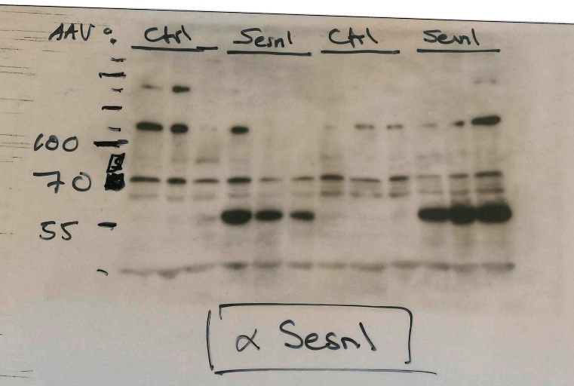
 | AAV-Control | AAV-Sesn1
 | 0.43 | 15.28
 | 0.62 | 15.52
 | 2.72 | 10.6
 | 0.79 | 17.7
 | 0.5 | 17.57
 | 0.71 | 18.65
mean: | 0.96 | 15.89

Suppl Fig. 2f
 | Sesn2 protein levels (normalized to tubulin) |  |  | WB images | The bands shown in figure are indicated
AAV-Control
AAV-Sesn2
70
55
 | AAV-Control | AAV-Sesn2
 | 2.68 | 20.19
 | 0.24 | 14 | Sesn2 antibody
 | 0.07 | 21.79

mean: | 1.00 | 18.66
AAV-Control
AAV-Sesn2
 |  |  | Tubulin Antibody

Suppl Fig. 3a
WB images | The bands shown in figure are indicated

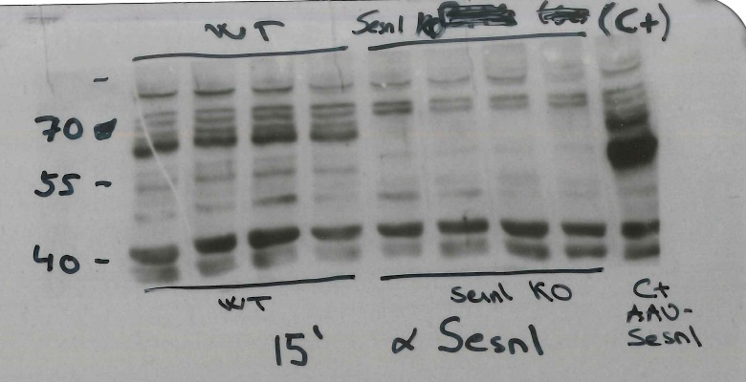
inespecific

inespecific

Suppl Fig 6a
 |  | WB quantifications

 |  | phospho S6 (normalized to total S6) |  | phospho ULK1 (normalized to total ULK1) |  | Each value correspond to one mouse

 |  | WT basal | Sesn1KO basal | WT basal | Sesn1KO basal
 |  | 0.79 | 7.21 | 0.89 | 2.97
 |  | 1.19 | 3.89 | 0.92 | 2.13
 |  | 0.96 | 3.22 | 1.16 | 1.94

 | mean: | 0.98 | 4.77 | 0.99 | 2.35

 |  | WB images

WT
Sesn1 KO

55
Tubulin antibody

Suppl Fig. 6b
 |  | WB quantifications

 |  | LC3-II normalized to tubulin |  | basal

 |  | Sesn2WT |  | Sesn2SkM-Tg
left: |  | Vehicle | Colchicine | Vehicle | Colchicine | Right: fold increase colchicine vs vehicle | Sesn2WT | Sesn2SkM-Tg
 |  | 1 | 2.21 | 1.25 | 2.79 |  | 2.14 | 2.49
 |  | 1.06 | 2.81 | 0.81 | 2.98 |  | 2.72 | 2.66
 |  | 0.87 | 2.41 | 1.08 | 2.11 |  | 2.41 | 1.94
 |  | 1.13 | 2.31 | 1.27 | 2.25 |  | 2.31 | 2.07

 | mean: | 1.02 | 2.44 | 1.10 | 2.53 |  | 2.40 | 2.29

 |  | WB images in Suppl Fig 5b

WT
Sesn2 Tg

55
Tubulin antibody

 |  | Other WB used for quantifications

Tubulin antibody

Suppl Fig. 6c
 |  | WB quantifications

 |  | LC3-II normalized to tubulin |  | 3d imm

 |  | Sesn2WT |  | Sesn2SkM-Tg
left: |  | Vehicle | Colchicine | Vehicle | Colchicine | Right: fold increase colchicine vs vehicle | Sesn2WT | Sesn2SkM-Tg
 |  |  | 0.88 | 0.5 | 1.89 |  | 0.88 | 3.26
 |  | 1.05 | 1.55 | 0.52 | 1.51 |  | 1.55 | 2.59
 |  | 0.95 | 1.2 | 0.72 | 1.69 |  | 1.20 | 2.91

 | mean: | 1.00 | 1.21 | 0.58 | 1.70 |  | 1.21 | 2.92

15
 | LC3 antibody

WT
Sesn2 Tg

55
 | Tubulin antibody

Suppl Fig. 6d
 |  | WB quantifications

 |  | LC3-II normalized to tubulin |  | basal

 |  | WT |  | Sesn1KO
left: |  | Vehicle | Colchicine | Vehicle | Colchicine | Right: fold increase colchicine vs vehicle | WT | Sesn1KO
 |  | 1.17 | 3.93 | 1.35 | 2.19 |  | 3.93 | 1.66
 |  | 0.83 | 2.96 | 1.28 | 0.64 |  | 2.96 | 0.49
 |  | 1.02 | 4.11 | 1.37 |  |  | 4.11
 |  | 0.44 | 4.43 | 1.43 | 3.45 |  | 4.43 | 1.99
 |  | 1.47 | 3.78 | 2.4 | 2.3 |  | 3.78 | 1.33

 | mean: | 0.99 | 3.84 | 1.57 | 2.15 |  | 3.84 | 1.37

 |  | WB images

Veh
Colch
Veh
Colch

Veh
Colch
Veh
Colch

55
Tubulin antibody

 |  | Other WB used for quantifications

Veh
Colch
Veh
Colch

15
10
 | LC3 antibody

Veh
Colch
Veh
Colch

55
 | Tubulin antibody

Suppl Fig 6e
 |  | WB quantifications

 |  | phospho AMPK (normalized to total AMPK) |  | Each value correspond to one mouse

 |  | AAV-Control | AAV-Sesn1
 |  | 0.65 | 1.35
 |  | 0.82 | 1.52
 |  | 1.31 | 2.41
 |  | 1.23 | 1.65

 | mean: | 1.00 | 1.73

 |  | WB images | The bands shown in figure are indicated

AAV-Control
AAV-Sesn1

55
Tubulin antibody

Suppl Fig 6f
 |  | WB quantifications

 |  | phospho p70S6K(normalized to tubulin) |  |  |  | phospho S6 (normalized to tubulin) |  | Each value correspond to one mouse

 |  | shC | shTSC2 |  |  | shC | shTSC2
 |  | 1.92 | 3.89 |  |  | 0.17 | 1.38
 |  | 0.65 | 2.64 |  |  | 1.71 | 2.28
 |  | 0.63 | 1.36 |  |  | 1.43 | 1.82
 |  |  |  |  |  | 0.73 | 1.6

 | mean: | 1.07 | 2.63 |  | mean: | 1.01 | 1.77

 |  |  | WB images | The bands shown in figure are indicated

35

25

S6 total antibody

55
Tubulin antibody

Suppl Fig 7a
 |  | WB quantifications

 |  | phospho S6 (normalized to total S6) |  |  | LC3-II normalized to GAPDH |  |  |  | Each value correspond to one mouse

 |  | DMSO | Rapamycin |  | DMSO Veh | DMSO colch | Rapa Veh | Rapa Colch
 |  | 1.24 | 0.3 |  | 0.97 | 1.92 | 0.27 | 1.32
 |  | 0.84 | 0.21 |  | 1.24 | 1.63 | 0.16 | 1.94
 |  | 1.01 | 0.26 |  | 0.79 | 1.41 | 0.23 | 1.49

 | mean: | 1.03 | 0.26 | mean: | 1.00 | 1.65 | 0.22 | 1.58

 |  | WB images | The bands shown in figure are indicated

pS6 antibody

Veh
Colch
Veh
Colch

35
 |  |  |  |  |  |  |  |  | GAPDH antibody

